all_metrics
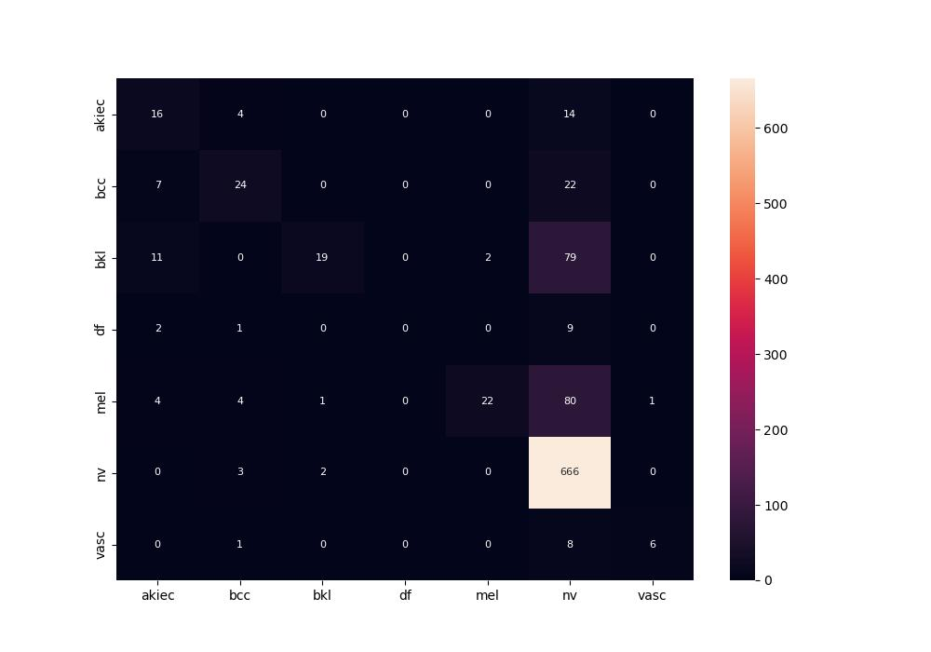
 | 0
pre | 0.63494809676
acc | 0.74702380952
recall | 0.38336665739

