all_metrics
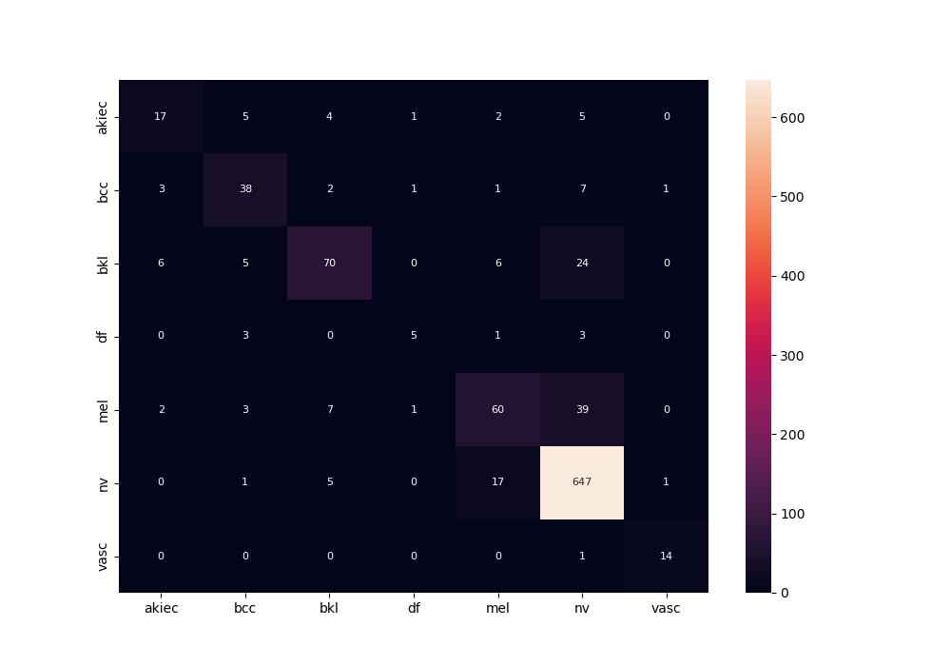
 | 0
pre | 0.73919231985
acc | 0.84424603175
recall | 0.67107979103

