all_metrics
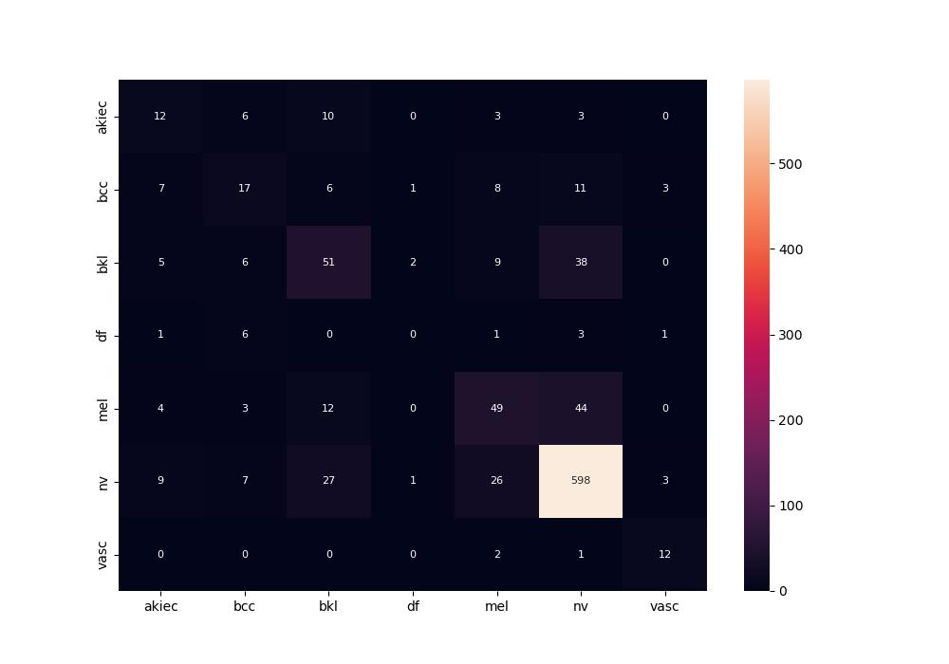
 | 0
pre | 0.45185882838
acc | 0.73313492063
recall | 0.46598035806

