all_metrics
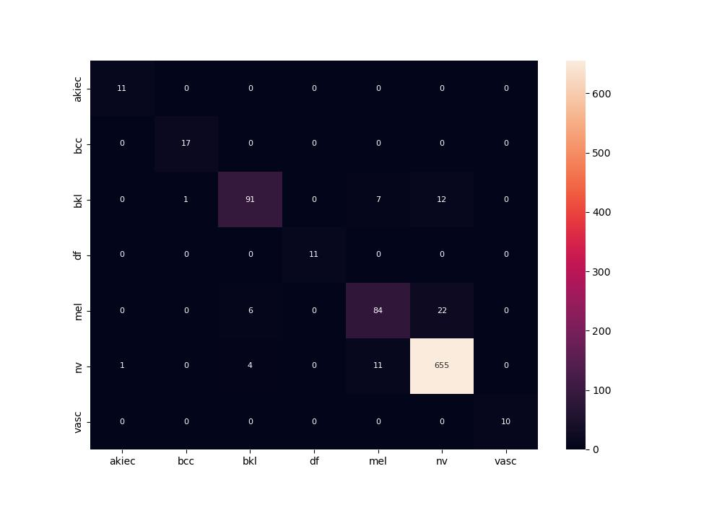
 | 0
pre | 0.93375482034
acc | 0.93213149523
recall | 0.93513925891
roc_auc | 0.99272551005

