all_metrics
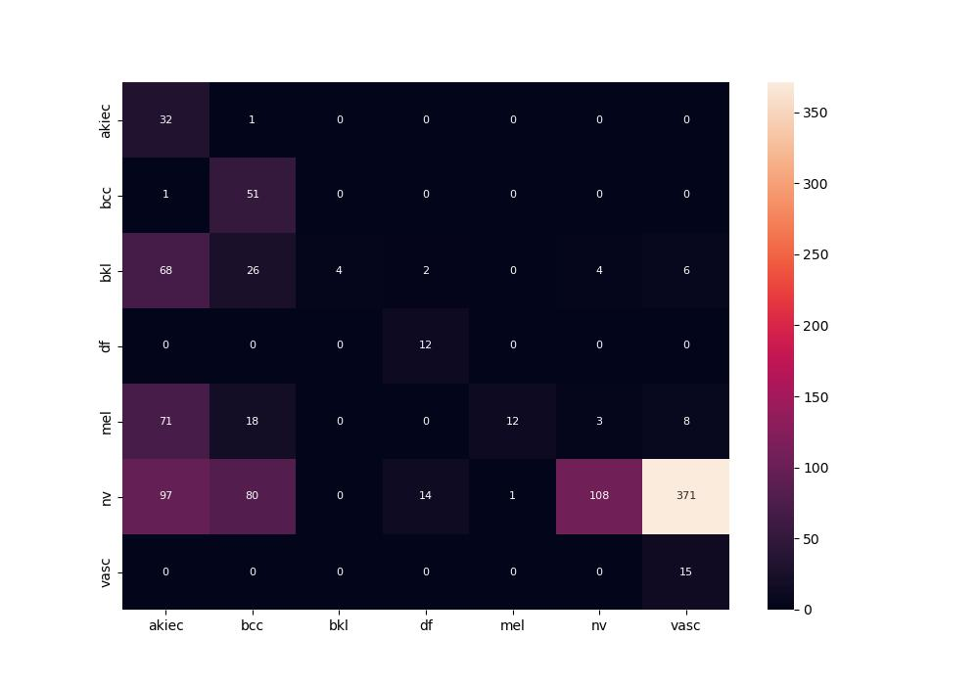
 | 0
pre | 0.53385866022
acc | 0.2328358209
recall | 0.60784664204
roc_auc | 0.87700177355

