all_metrics
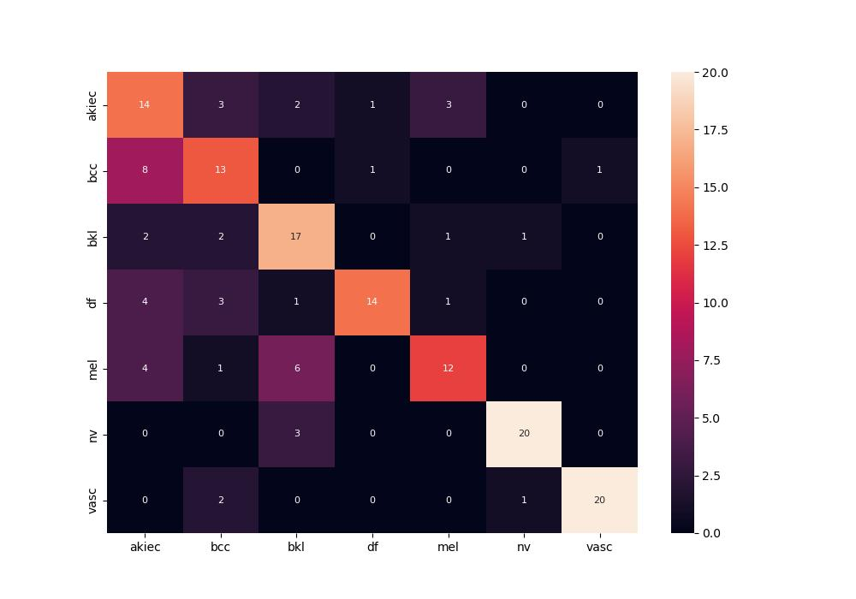
 | 0
pre | 0.71538968252
acc | 0.68322981366
recall | 0.68322981366

