all_metrics
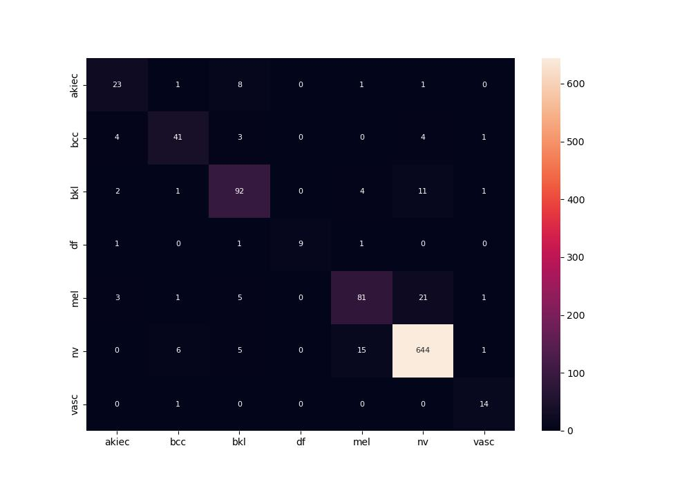
 | 0
pre | 0.83221033848
acc | 0.89682539683
recall | 0.8064562131
roc_auc | 0.97604907865

