all_metrics
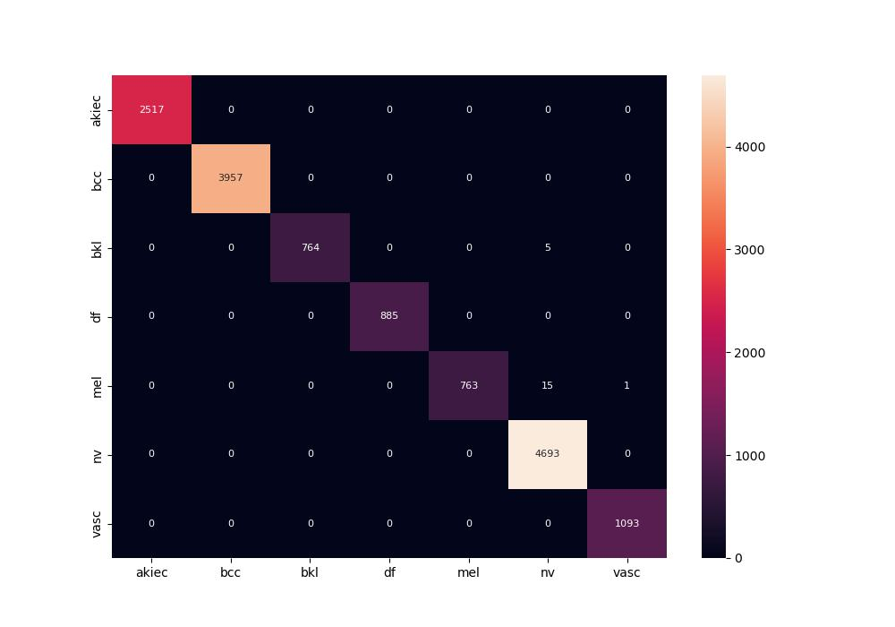
 | 0
pre | 0.99926319166
acc | 0.99857074798
recall | 0.99613698524
roc_auc | 0.99999316418

