all_metrics
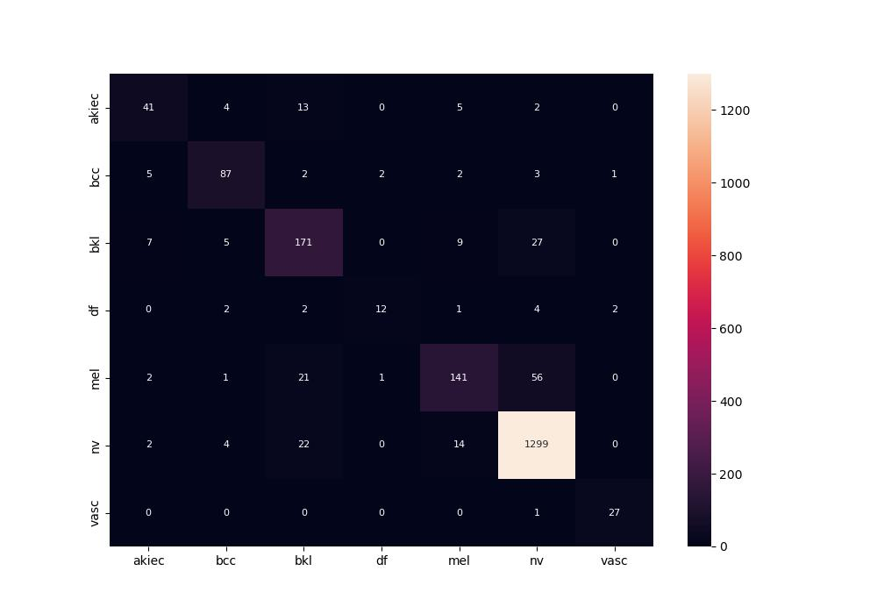
 | 0
pre | 0.82245361101
acc | 0.889
recall | 0.76491034206
roc_auc | 0.97225779854

