all_metrics
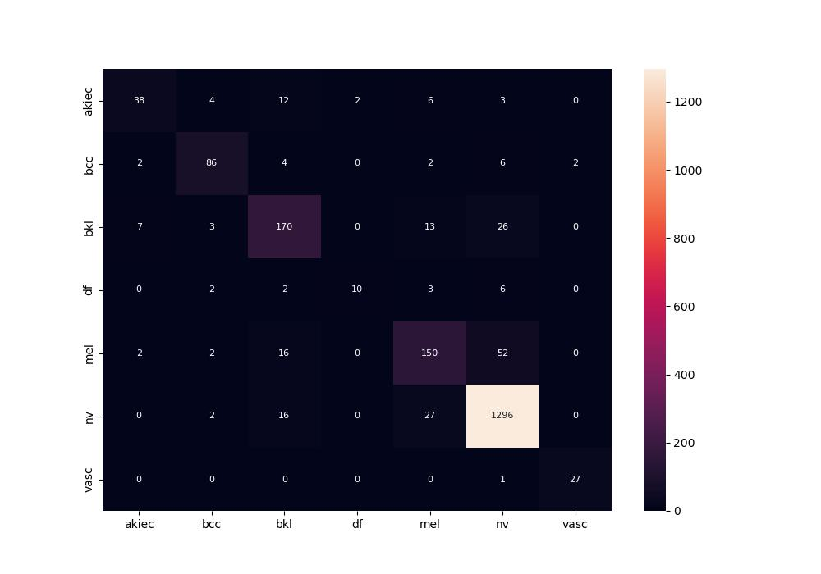
 | 0
pre | 0.83713355986
acc | 0.8885
recall | 0.74931361414
roc_auc | 0.97750044185

