all_metrics
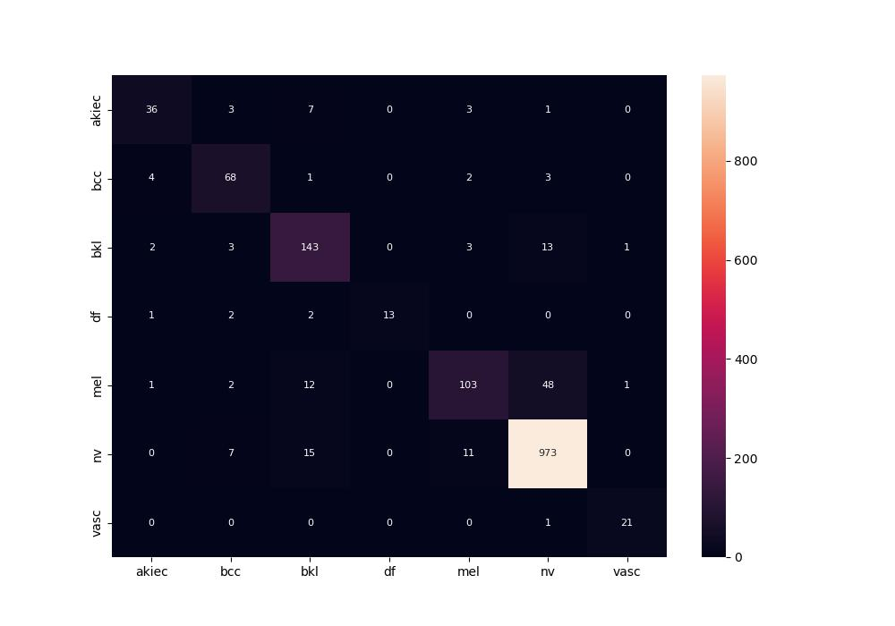
 | 0
pre | 0.87234420258
acc | 0.901062417
recall | 0.8170275002
roc_auc | 0.96580948853

