all_metrics
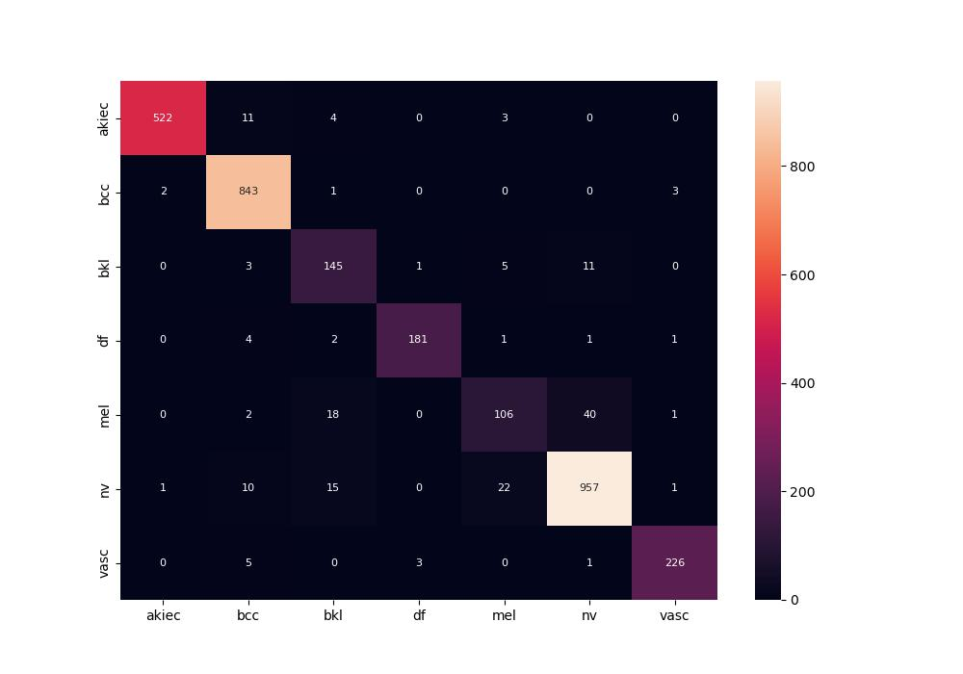
 | 0
pre | 0.91599569456
acc | 0.94543147208
recall | 0.90553484281
roc_auc | 0.99550327254

