all_metrics
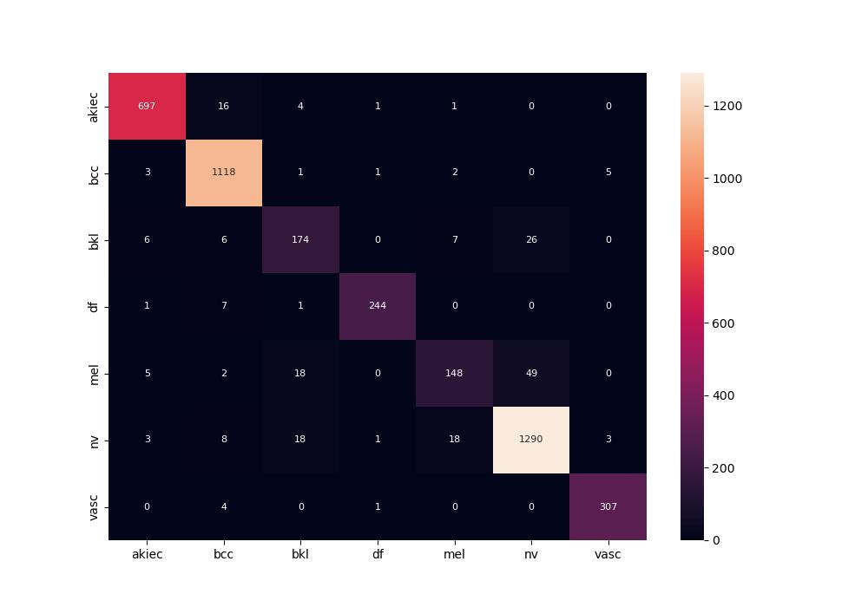
 | 0
pre | 0.92682598166
acc | 0.94804575786
recall | 0.9043342299
roc_auc | 0.9946199742

