all_metrics
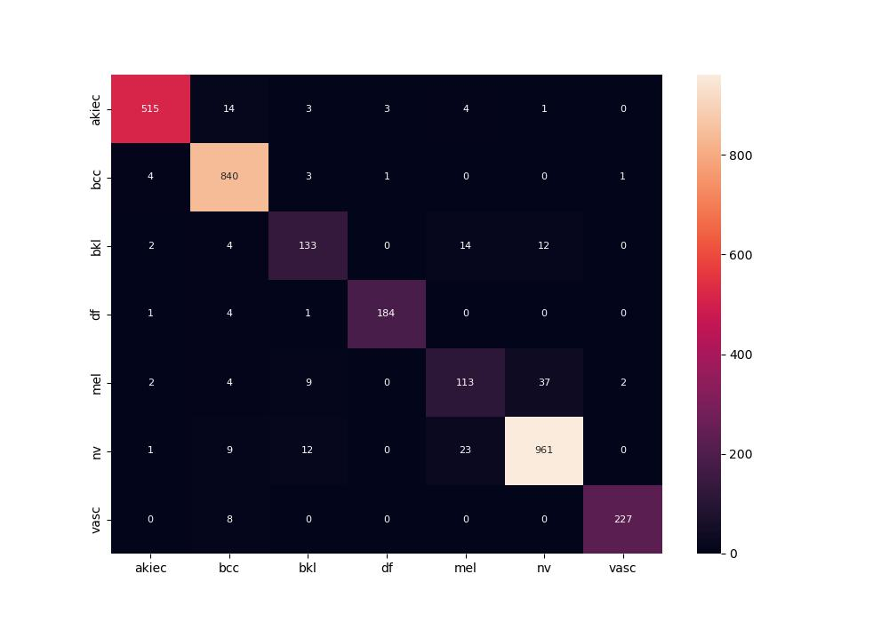
 | 0
pre | 0.91547598447
acc | 0.9432106599
recall | 0.90220817125
roc_auc | 0.99491497152

