all_metrics
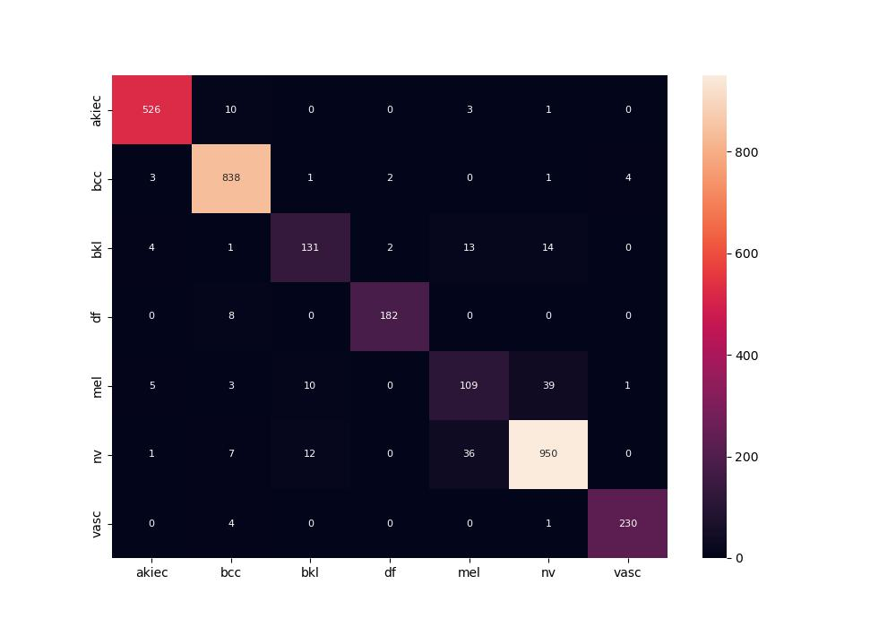
 | 0
pre | 0.90960196915
acc | 0.94098984772
recall | 0.89838625666
roc_auc | 0.99439234655

