all_metrics
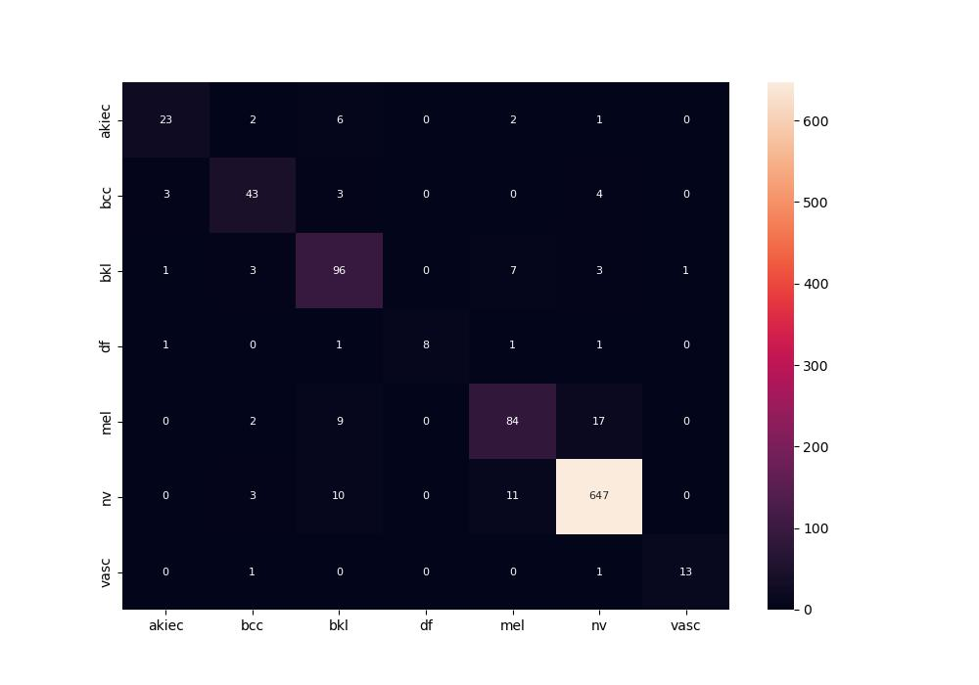
 | 0
pre | 0.86774813559
acc | 0.90674603175
recall | 0.80003171857
roc_auc | 0.98640212955

