all_metrics
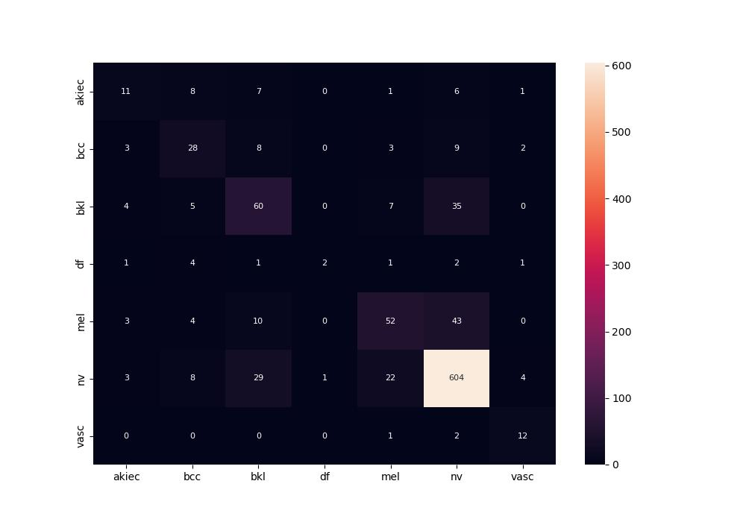
 | 0
pre | 0.59699446642
acc | 0.7628968254
recall | 0.53192475019

