all_metrics
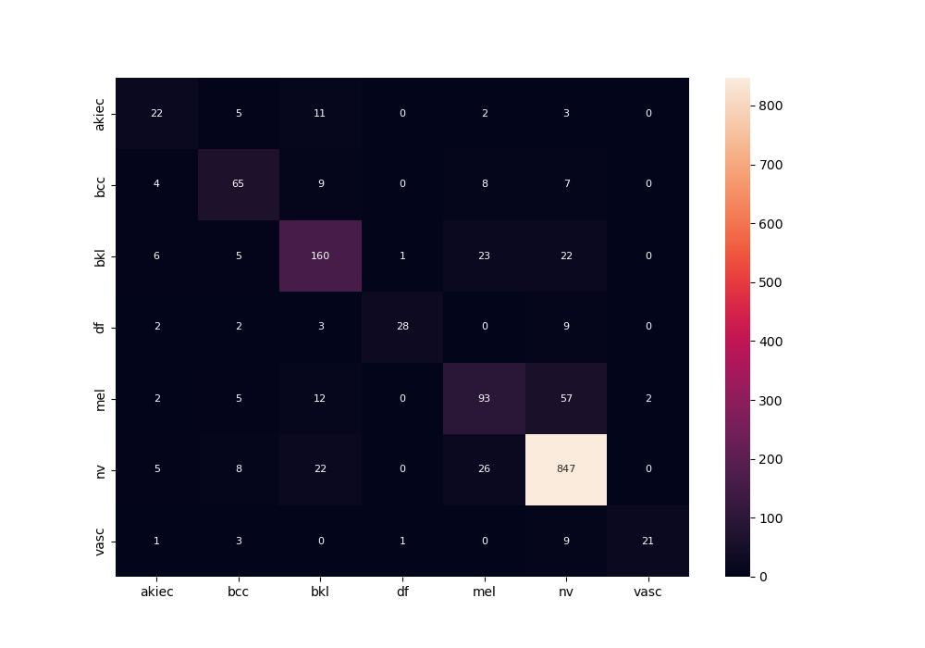
 | 0
pre | 0.75801729024
acc | 0.81800132363
recall | 0.66584607084
roc_auc | 0.95427183894

