all_metrics
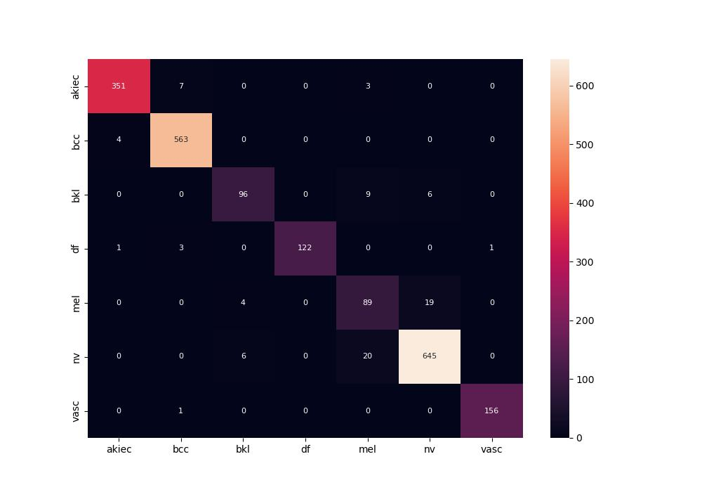
 | 0
pre | 0.93775800014
acc | 0.96011396011
recall | 0.93432351067
roc_auc | 0.99744932952

