all_metrics
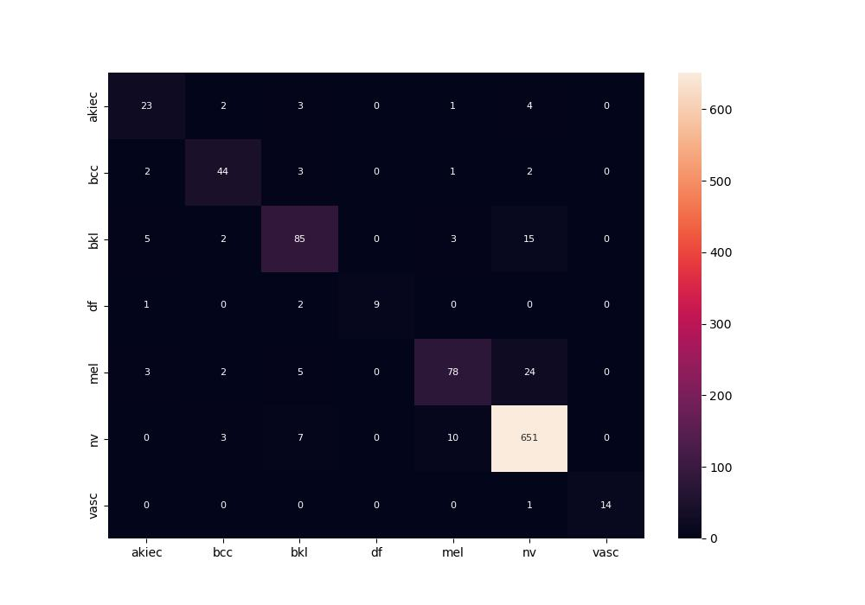
 | 0
pre | 0.86984223198
acc | 0.89950248756
recall | 0.80940092304
roc_auc | 0.98393638455

