all_metrics
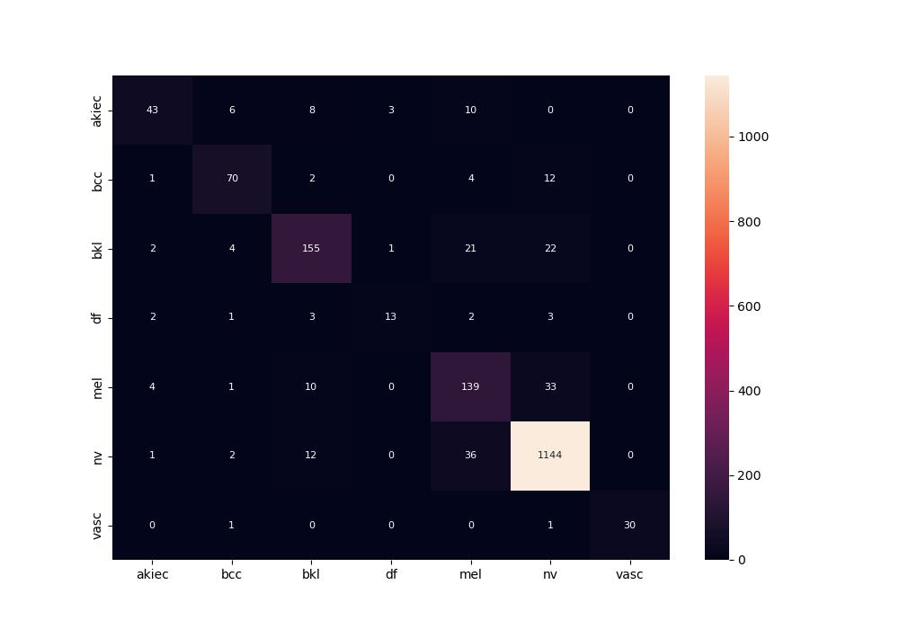
 | 0
pre | 0.83036709798
acc | 0.884572697
recall | 0.76238635423
roc_auc | 0.97124166793

