all_metrics
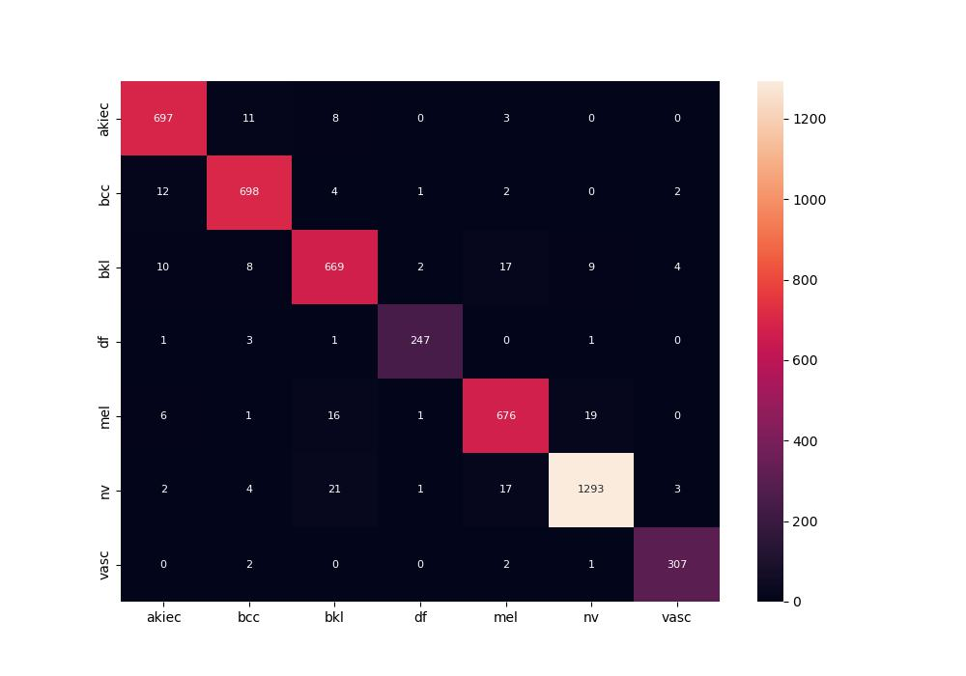
 | 0
pre | 0.95997226704
acc | 0.95922208281
recall | 0.96218759444
roc_auc | 0.99777238463

