all_metrics
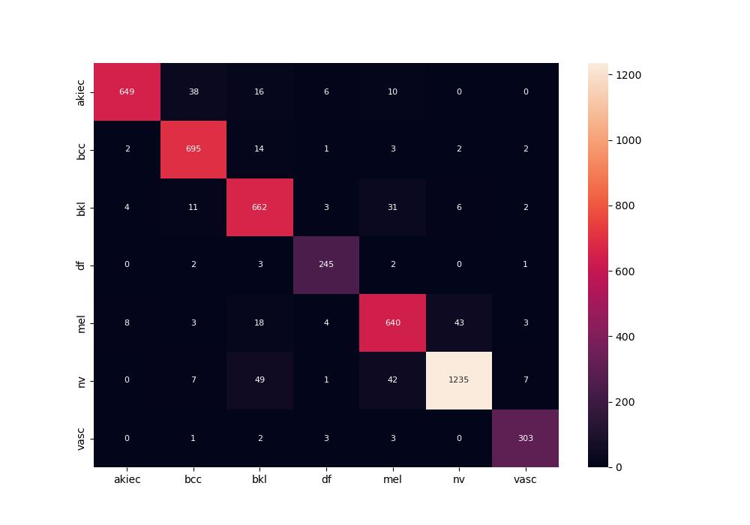
 | 0
pre | 0.92624543261
acc | 0.92618151401
recall | 0.93437129571
roc_auc | 0.99494739478

