all_metrics
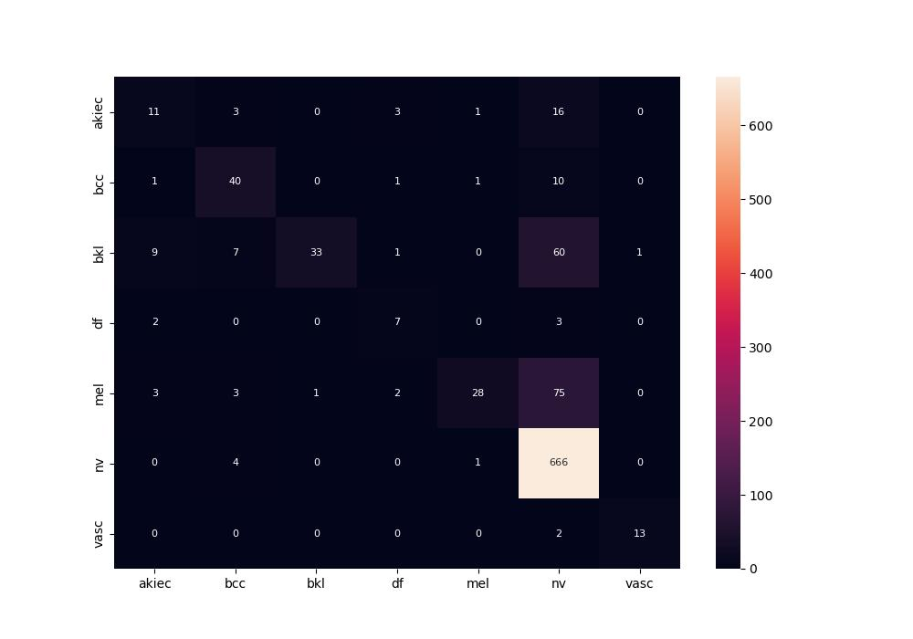
 | 0
pre | 0.74681393551
acc | 0.79166666667
recall | 0.58115601791

