all_metrics
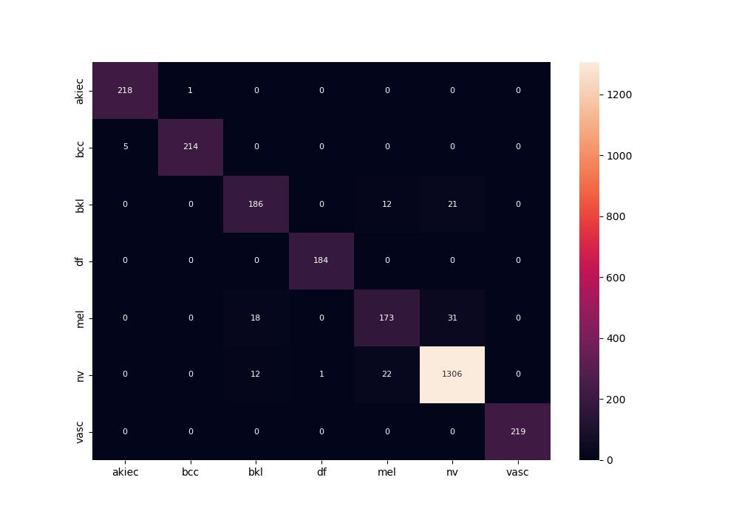
 | 0
pre | 0.94658431503
acc | 0.95310712924
recall | 0.93929959458
roc_auc | 0.99472760691

