all_metrics
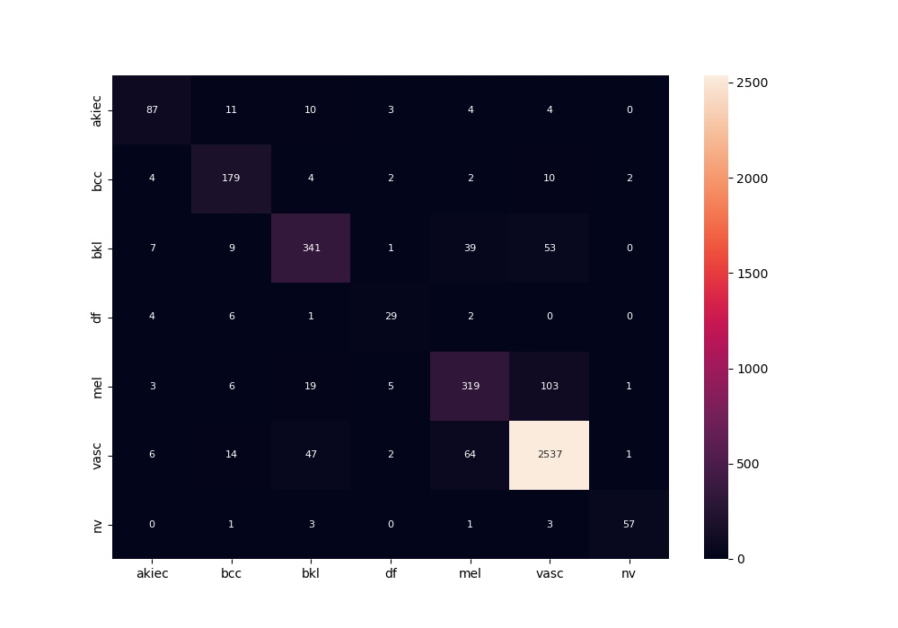
 | 0
acc | 0.88592111832
bacc | 0.79820511549
auc | 0.95860083976
f1 | 0.88592111832
mcc | 0.78113371746

