all_metrics
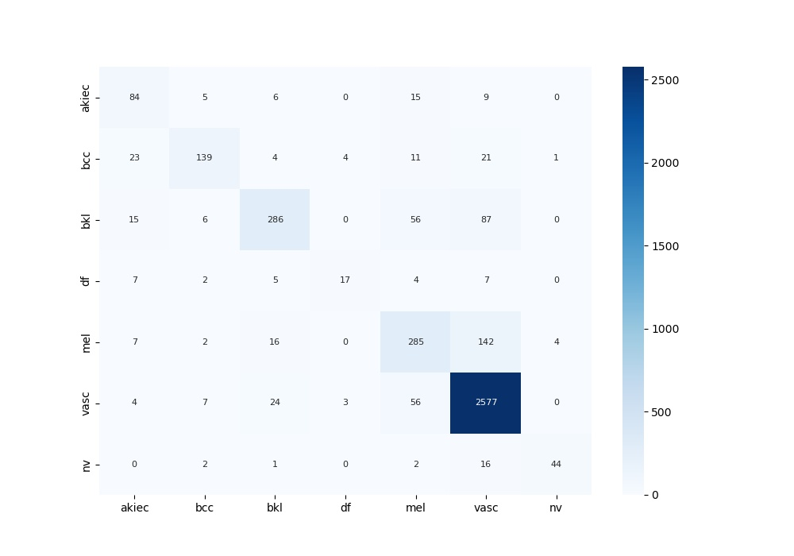
 | 0
acc | 0.85671492761
bacc | 0.67109416322
auc | 0.9055098531
f1 | 0.85671492761
mcc | 0.71629653917

