all_metrics
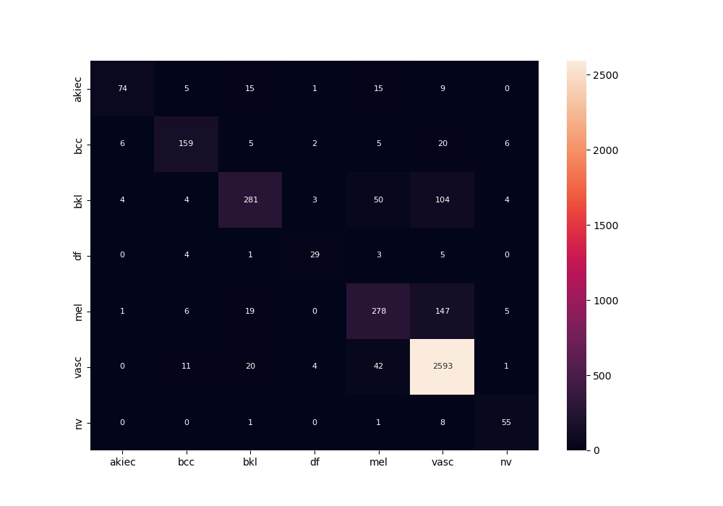
 | 0
acc | 0.86595107339
bacc | 0.73523157558
auc | 0.94046874331
f1 | 0.86595107339
mcc | 0.73395331808

