all_metrics
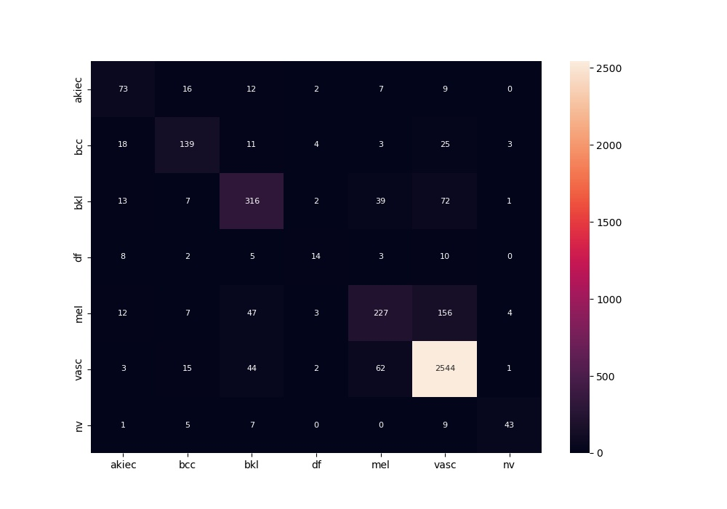
 | 0
acc | 0.83774338492
bacc | 0.6350753917
auc | 0.93095445761
f1 | 0.83774338492
mcc | 0.6804163567

