all_metrics
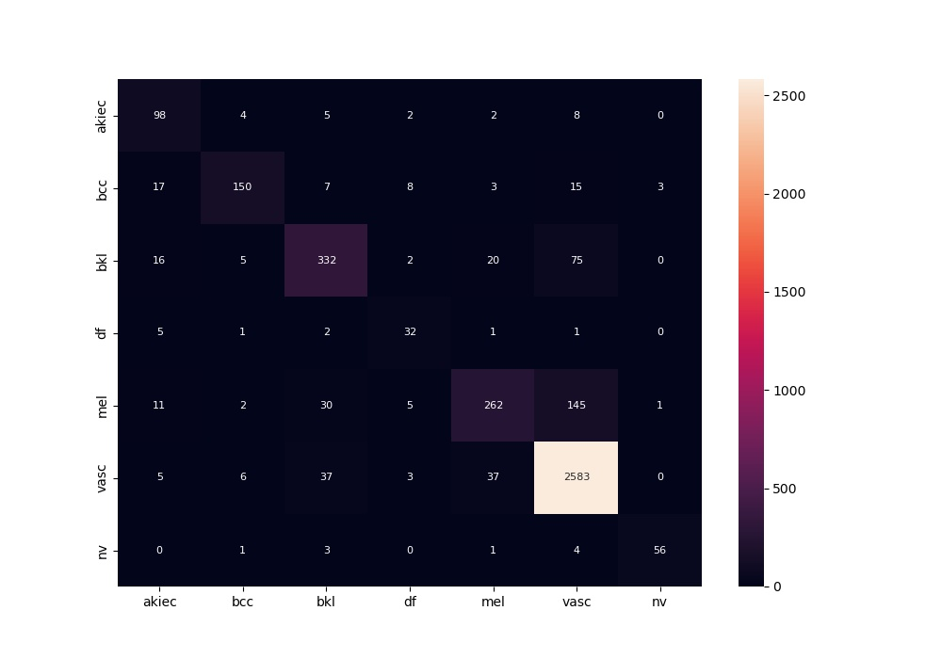
 | 0
acc | 0.8769345981
bacc | 0.78075451581
auc | 0.95387868204
f1 | 0.8769345981
mcc | 0.75890680869

