all_metrics
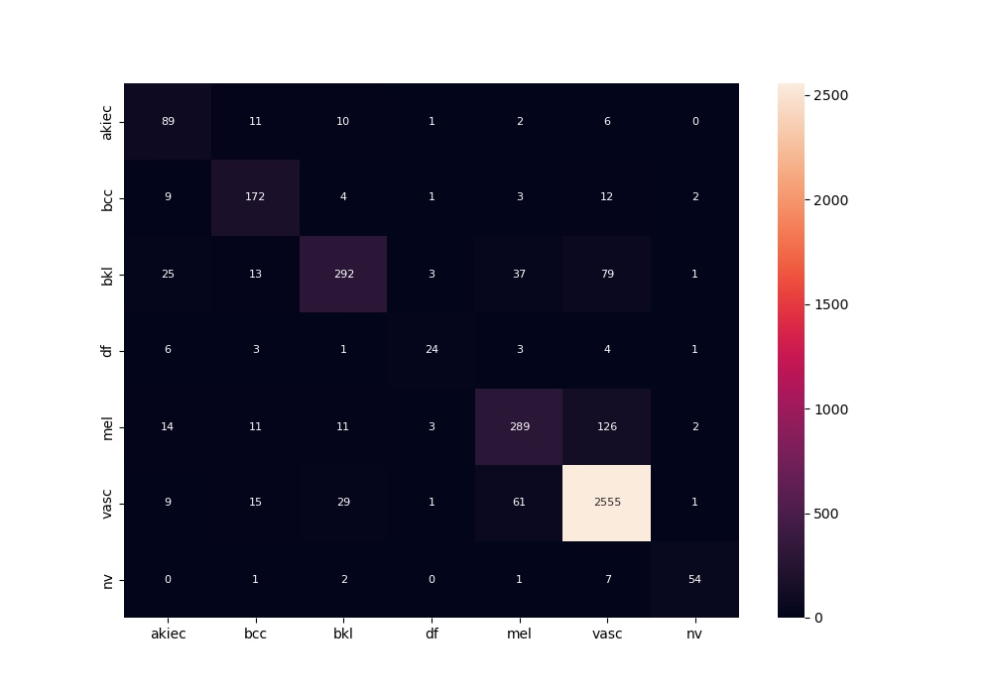
 | 0
acc | 0.86744882676
bacc | 0.74808842768
auc | 0.95860898795
f1 | 0.86744882676
mcc | 0.74204604178

