all_metrics
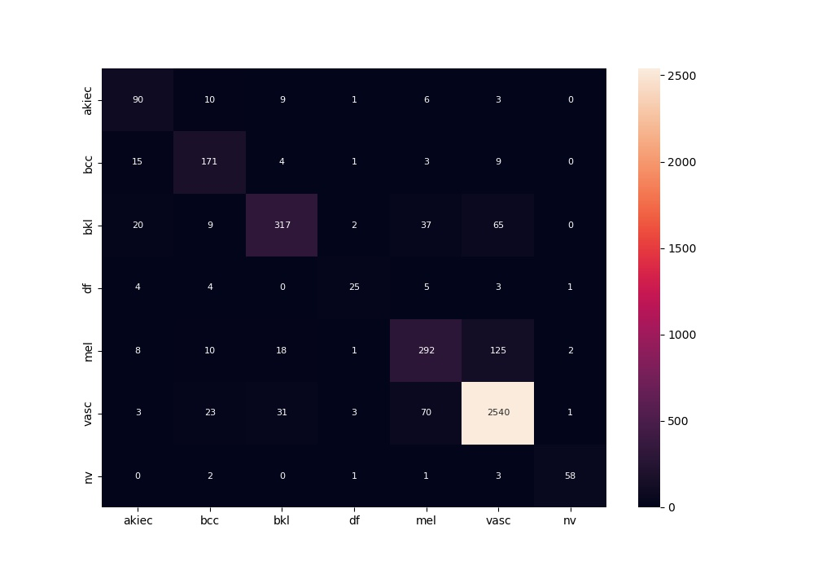
 | 0
acc | 0.87194208687
bacc | 0.76885183726
auc | 0.95658070919
f1 | 0.87194208687
mcc | 0.75259710785

