all_metrics
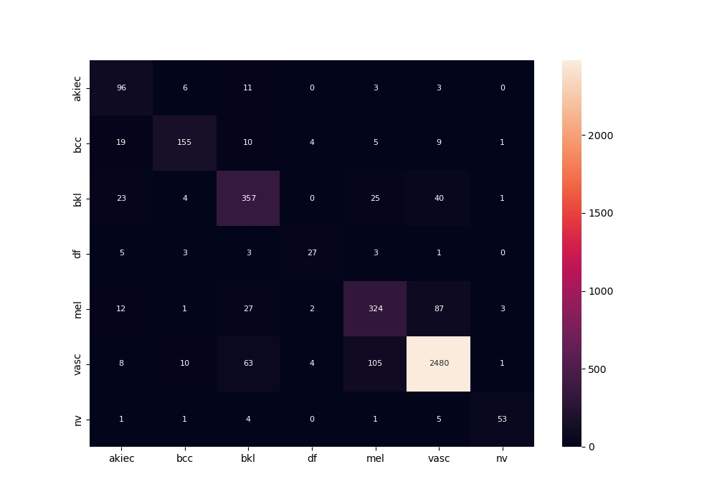
 | 0
acc | 0.87169246131
bacc | 0.78012315661
auc | 0.95410125846
f1 | 0.87169246131
mcc | 0.75944126389

