all_metrics
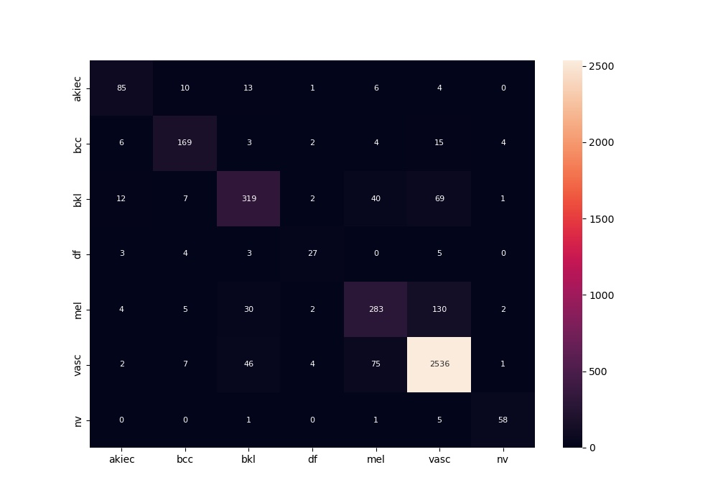
 | 0
acc | 0.86794807788
bacc | 0.76584613155
auc | 0.95332077881
f1 | 0.86794807788
mcc | 0.74337129787

