all_metrics
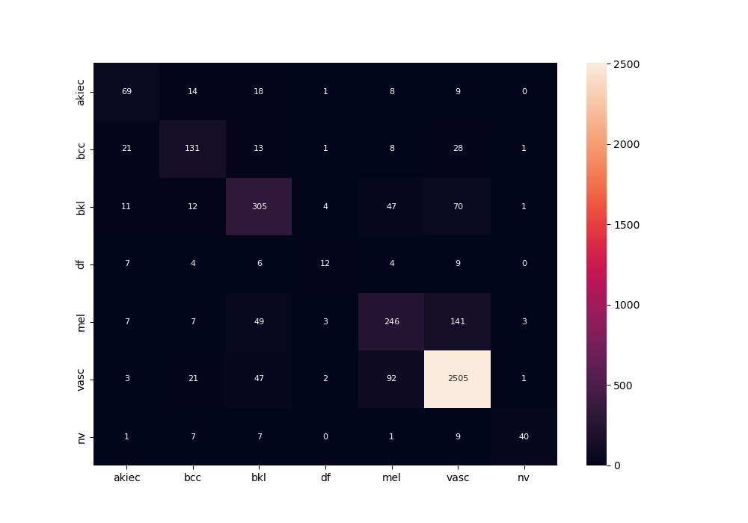
 | 0
acc | 0.82576135796
bacc | 0.61162192643
auc | 0.92087248584
f1 | 0.82576135796
mcc | 0.65997302534

