Instruction
TO DO
1. Calculate Anchor distances for upper and lower anchors by calculating forces
Friction forces?
2. Stringer System?
Cradle system
3. Changer references of cable weight in Conduction x10^3
CHANGE CABLE TO 9.5 mm IN DOCUMENTATON & SPREADSHEET
Include Cyclopian Concrete for Takeoff & Landing Anchor Concrete calculations
Instruction for the suspension Bridge design spreadsheet
The document "Suspension Bridge – Technical Note” should be read prior to the design to gain an understanding of the construction techniques and the term used. It is also advised to read "A Handbook of Gravity-Flow Water System" - Thomas D. Jordan Jnr.- p 206 – 215 for further comprehension and details of some of the calculation.
Determination of Pier Height and Main Cable Size on the "Design Sheet"
 | 1. Enter the bridge span (L): distance between the two foreseen locations of the posts. These posts must be far (at least 3m) from any sign of erosion.
 | 2. Enter the water pipe diameter (D), water pipes are in galvanized iron and the diameter must be entered in inches
 | 3. Enter a safety factor, 4 is recommended, it can be decreased if the quality of the cable is guaranteed, or increased if the quality of the cable looks particularly suspicious
 | 4. Enter a pier height (H), as a first guess, aimed for a sag in the main cable around 8%
 | 5. Choose a cable diameter (dc), that can be easily available:
 |  | a. If the “Check Main Cable Resistance” is “Not Good” either increase cable diameter or increase sag (by increasing pier height)
 |  | b. If a warning appears on the right of “Horizontal Tension”, it means that the main cable is not tensioned enough and that the bridge will not be “stiff” enough. Reduce the sag by reducing pier height.
 |  | c. If the “Check Main Cable Resistance” is “OK” and “Horizontal Tension” is greater than 200 kg, check the difference between Total Tension (T) and Main Cable Resistance (R). If its large then cable diameter or sag (Pier Height) can be decreased
Determination of Secondary Loop Cable
 | 6. To determine secondary loops length, enter the number of time the cable is coiled around the pipe (see drawing right of the cell)
 | 7. Choose a diameter of secondary cable, the “Check Loop Cable Resistance” tells if the diameter is large enough.
Determination of anchor position and size
 | 8. The “Best distance to anchor” is calculated (Da): depending on ground condition, a shorter distance can be chosen “Chosen distance to anchor”. A resulting horizontal force on pier “Difference between horizontal tensions” is then calculated. When using 2” GI pier, this force must be kept very low. To solve this:
 |  | a. Increase distance to anchor, closer to the “Best distance to anchor”
 |  | b. If the ground doesn’t allow this, pier must be built stronger : larger diameter pipe filled with concrete or pier must be cast in reinforced concrete
 | 9. Choose the soil type to determine friction between ground and anchor. When ensure choose the next one down (lower friction, higher safety factor)
 | 10. Choose “Side anchors for wind-brace protection” if the structure will be exposed to high velocity wind. : it will add materials in the BoQ for the construction of the side anchors and the necessary cables
Check the representation of the calculated system on the graph on the right below
The dimensions of the suspension bridge are now determined, some additional settings can be done in the spreadsheet "data" (from the top):
 | 1. The units chosen for the cable accessories: Imperial or Metric
 | 2. Manufacturer specification of materials (Cable, Turnbuckles and Shackles) can be entered in the tables below. If specification are not available, use the data pre-entered, but make sure the safety factor (in the Design Sheet) is >4 (can be further increased if the quality looks poor)
 | 3. Number of thunbuckle : can be used on one side only of the suspension bridge (shot bridge) or on both side (longer bridge)
 | 4. The table “Cable section specific calculation” is a tool that allow conversion (kN à kg) or that allow a rough estimation of cable strength from steel strength. The table is not linked with the rest of the sheet. Results from this table must be entered manually in the cable specification table.
Setting for the concrete mix can also be changed in the spreadsheet "concrete":
 | 1. A strong concrete is advised, but if masons are proficient a cyclopean concrete can be chosen (a concrete with large stones embedded in it to save volume)
 | 2. The ration of stone to total volume can be set in “%(vol) of stone”
 | 3. The Cement / Sand / Gravel ratio and cement bags capacity can be adjusted
Dimensioning is done, use:
 | 1. The design sheet for the technical drawing of the bridges
 | 2. The BoQ sheet for a complete list of material needed
 | 3. The table “Loop sizes and positions” in the Data sheet to get the exact length and position of the loop on the pipe and on the cable.

Design sheet
water pipe
cable coiled up to 3 times
loop cable
main cable
Design calculation sheet | Calcul sheet for GI pipe suspended bridge (using some formulas from "A Handbook of Gravity-Flow Water System" - Thomas D. Jordan Jnr.- p 206 - 215)
input data | blue cells to be filled in accordance to the needs
auto calculation | white cells linked to data for auto calculation
conclusions/checks | checks
design choices
referenced from Conduction x 10^3 | make sure to change the cell references to the corresponding row |  |  | Stringer Design
Designation | Symbol | Value |  | Position along pipeline (x) - m | Height (y) - m | Position along cable (Developed length)
Aerial Crossing #3; Rejoya 2 corto |  |  |  | -6.25 | 0.00 | 0.00

Length of Bridge with 2 extra meter spacing - m (between the two post) | L | 29 |  | 0.0 | 2.00 | 0.00
Size of Conduction Pipe - mm | D | 75mm |  | 1.9 | 1.45 | 2.01
Size of Tower Pipe - in |  | 4" | ???
Cable Safety factor (depending of material quality and working conditions) | Fs | 2.5 |  | 3.9 | 0.95 | 2.00
Height of the stands - m Max 3m when using 2" pipe | H | 2 |  | 5.8 | 0.55 | 1.97
Sag of the main cable in % (Start between 8 to 10%) | S/L | 8.00% |  | 7.7 | 0.20 | 1.96
Sag of the main cable - m | S | 2.32 |  | 9.7 | -0.05 | 1.95
Diameter of main cable - mm (recommended 8 mm) | dc | 8 |  | 11.6 | -0.20 | 1.94
Weight of suspended materials - kg/m | W | 5.62 |  | 13.5 | -0.30 | 1.94
Horizontal tension of the main cable - kg (Target > 200, Acceptable > 100) | t | 255 |  | 15.5 | -0.30 | 1.93
Total tension of the main cable - kg (including safety factor) | T | 669 |  | 17.4 | -0.20 | 1.94

Main cable resistance - kg | R | 4,500 |  | 19.3 | -0.05 | 1.94 |  | © picture extracted from the website of the Agence culturelle d’Alsace. All rights reserved
 | Check Main Cable Resistance | OK |  | 21.3 | 0.20 | 1.95 |  | www.machinerie-spectacle.org | Developed by
-6.25 | 0.00
0.00 | 2.00
1.93 | 1.45
3.87 | 0.95
5.80 | 0.55
7.73 | 0.20
9.67 | -0.05
11.60 | -0.20
13.53 | -0.30
15.47 | -0.30
17.40 | -0.20
19.33 | -0.05
21.27 | 0.20
23.20 | 0.55
25.13 | 0.95
27.07 | 1.45
29.00 | 2.00
29.00 | 2.00
29.00 | 2.00
29.00 | 2.00
29.00 | 2.00
29.00 | 2.00
29.00 | 2.00
29.00 | 2.00
29.00 | 2.00
Target distance between stringers - m | DL | 2 |  | 23.2 | 0.55 | 1.96 | Representation of the calculated system
Real distance between stringers - m | DL | 1.9 |  | 25.1 | 0.95 | 1.97
Number of loop rolls around the pipe |  | 2 |  | 27.1 | 1.45 | 2.00
Vertical tension of the stringers - kg | t' | 11 |  | 29.0 | 2.00 | 2.01
Total tension on each stringer - kg (including overloading and safety factor) | T' | 527 |  | 29.0 | 2.00 | 0.00
Diameter of stringer cable - mm | dl | 4 |  | 29.0 | 2.00 | 0.00
Stringer resistance - kg | R | 1,200 |  | 29.0 | 2.00 | 0.00
 | Check Stringer Cable Resistance | OK |  | 29.0 | 2.00 | 0.00
Coeffiecient trend x2 | c | 0.0110 |  | 29.0 | 2.00 | 0.00
angle of tension | degrees | 17.74 |  | 29.0 | 2.00 | 0.00
Takeoff Anchor Type | Column & Anchor or Tower & Slab | Column & Anchor |  | 29.0 | 2.00 | 0.00
Landing Anchor Type | Column & Anchor or Tower & Slab | Column & Anchor |  | 29.0 | 2.00 | 0.00 | 29.47
Best distance to anchor - m ( Angles A = Aa) | Da | 6.25
Chosen distance to anchor - m | Da | 6.3
 | dt =ǀ ta-t ǀ | 0
Soil type | Coarse-grain with silt or clay
Soil friction coefficient | u | 0.45
Required weight of Anchor - kg | Wa | 648
Side of concrete cubic anchor - m | a | 0.7
Side anchors for wind-brace protection | Yes / No | N
Cement | 40-kg bags | 17
Length of cable | m | 45

Conduction x 10^3
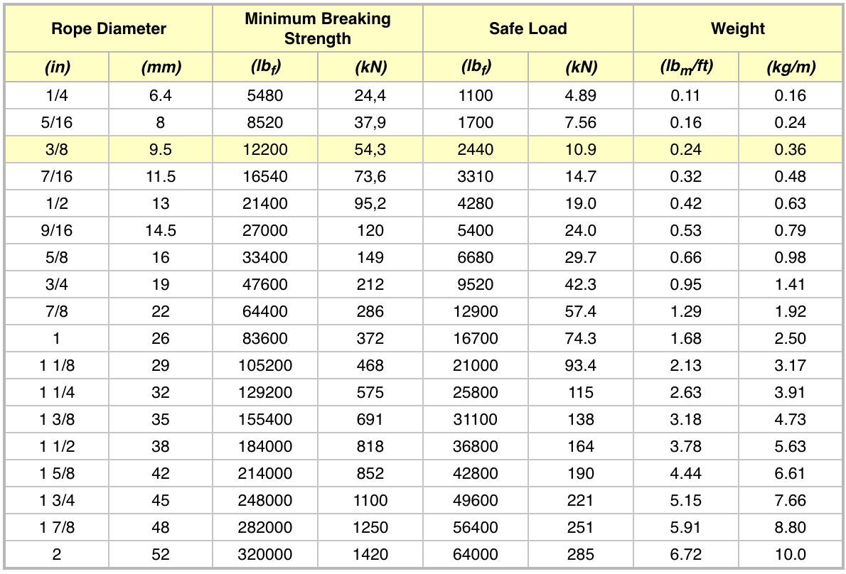
Max. Weight of Pipe | 5.62 | kg / meter
CONVERSION TO kN/m | 0.05514201 | kN/m

 |  |  |  |  |  | Sag
Safety Factor | 2.50 |  |  |  |  | 8%
Component | Pipeline distance | Length | Adjusted span (erosion) | Drop | Drop with pillar height accounted for | Sag | Horizontal Tension W Cable | Angle of Tension Take-off | Angle of Tension Landing | Vertical Tension on Take-off | Vertical Tension on Landing | Total Tension on Takeoff | Total Tension on Landing | Total Tension w Safety Factor on Takeoff | Total Tension with SF on Landing | Design Decisions & Notes (Anchor type, anchor height, etc.)
 | m | m | m | m | m | m | kN | degrees | degrees | kN | kN | kN | kN | kN | kN
Aerial Crossing #1 (start); Baranco 5 | 793 | 63 | 67 | 5.0 | 4.0 | 5.4 | 5.8 | 14.6 | 20.8 | 1.50 | 2.19 | 5.97 | 6.17 | 14.91 | 15.44 | 3.28ft tall pillar on takeoff (low side) & tower-and-slab mass block on landing (high side)
Aerial Crossing #2 ; Rejoya 2 largo | 909 | 50 | 54 | 7.0 | 5.2 | 4.3 | 4.7 | 22.6 | 12.6 | 1.94 | 1.04 | 5.04 | 4.77 | 12.60 | 11.92 | tower-and-slab mass block on takeoff (high side) & 6ft tall pillar on Landing (low side)
Aerial Crossing #3; Rejoya 2 corto | 960 | 25 | 29 | 0.0 | 0.0 | 2.3 | 2.5 | 17.7 | 17.7 | 0.80 | 0.80 | 2.62 | 2.62 | 6.56 | 6.56 | Symmetrical crossing

Takeoff Anchor
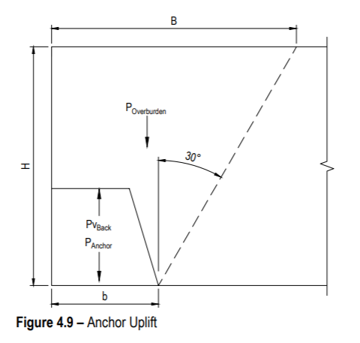
 | Aerial Crossing #3; Rejoya 2 corto | Takeoff Anchor
Here, various aerial crossing properties are calculated. Key parameters of the crossing like horizontal tension, total tension at the anchor are also determined or referenced from the Conduction x 10^3 tab.
Determine Cable Size
Look at the Span Cable Force in kg. Going to the Cable Properties tab, look at the either the Minimum Breaking Strength Column which is in lbs or the quote from Tikal Stone which is in kg and choose the corresonding cable size whose breaking strength exceeds the Span Cable Force. More than likely, the cable size on the Tikal Stone quote will satisfy the strength needs.
Note: Once the cable size is chosen, ensure that the Nominal Size matches with the chosen size on the Design sheet
To Determine Pipe Column Size
Look at the Moment in in-lb. Going to the Pipe Properties tab, look at the Critical Bending Moment Column and choose the corresponding GI pipe size whose critical bending moment exceeds the moment. For perfectly symetric systems, the moment should = 0.
Assumed Drop (Conduction Line x 10^3) - m |  | 0.0
 |  |  | Aerial Crossing Type: | Column & Anchor
Parameter | Symbol | Value
Pillar Height [m] |  | 2.0 | input data
;Best Distance to Anchor [m] | Da | 6.3 | auto. calc.
Cable Safety Factor | SF | 2.5 | conclusions/checks
Cable Strength [kN] |  | 49.0 | design choices
Horizontal Tension [kN] | Ph | 2.5
Span Angle (w/ respect with horizontal) | Θ | 17.7
Total Main Span Tension [kN] | PtMain | 6.2 | 628.6 | kg
Vertical Main Span Tension [kN] | PvMain | 1.9
Anchor Angle | α | 17.7
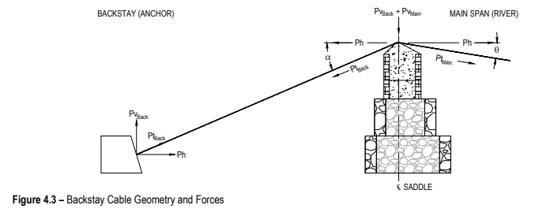
Anchor Cable Force with Safety Factor [kN] | Ptback | 2.6
Vertical Backstay Tension [kN] | PvBack | 0.8
Total Vertical Reaction at Tower [kN] | PvBack + PvMain | 2.7
Cable Safety Check |  | SAFE
Tower Overturning Check | Symbol | Value
Overturning Safety Factor | FS | 1.5
Coefficient of Friction | μ | 0.1
Anchor Width [m] | B | 1.0
Anchor Force [kN] | Pback | 7.4
Saddle Horizontal Force [kN] | PhSaddle | 1.6
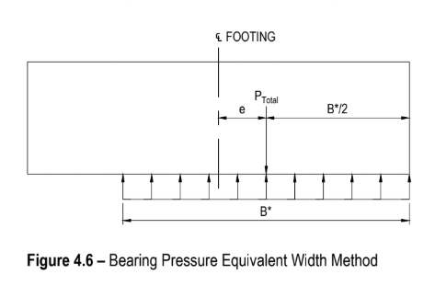
Saddle Vertical Force [kN] | PvSaddle | 35.5
Overturning Moment | Mo | 3.2
Restorative Moment | Mr | 35.5
Overturning Safety Check |  | SAFE
Tower Bearing Pressure Check | Symbol | Value
Bearing Pressue Safety Factor | FS | 2.0
Ultimate Soil Bearing Capacity [kPa] | qu | 286.0
Effective Width [m] | B* | -64.6
Maximum Soild Bearing Pressure [kPa] | qs | -0.5
Total Force [kN] | Ptotal | 35.5
Bearing Pressure Safety Check |  | SAFE
Anchor Sliding Check | Symbol | Value
Sliding Factor of Safety | FS | 1.5
Horizontal Resisting Force [kN] | Rn | 3.9
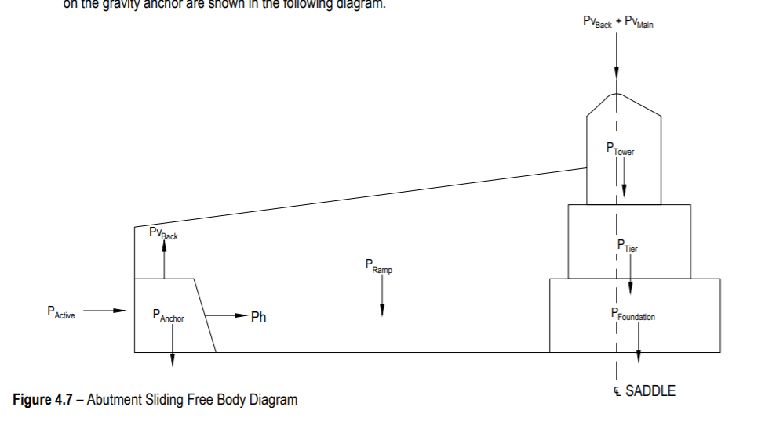
Horizontal Driving Force [kN] | Rs | 44.6
Active Force [kN] | Pactive | 42.1
Coefficient of Earth Pressure | Ka | 2.5
Internal Angle of Friction [degrees] | Φ | 35.0
Depth of Anchor Beam and Overburden [m] | H | 1.5
Soil Density [kN/m3] | γs | 15
Width of the Anchor Beam [m] | w | 1.0
Coefficient of Sliding Friciton | μ | 2.1
Sliding Check |  | SAFE
Anchor Uplift Check | Symbol | Value
Uplift Safety Factor | FS | 1.5
Concrete Density [kg/m3] | ρ | 2400
Overburden Force [kN] | Poverburden | 16915.2
Overburden length [m] | B | 1.9
Area of Anchor [m2] | AAnchor | 1.0
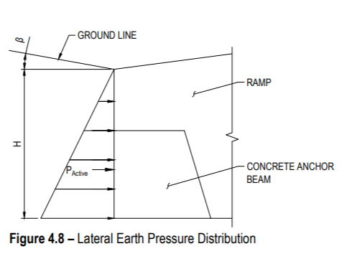
Concrete Anchor Beam Base Width [m] | b | 1.0
Gravity [m/s2] | g | 9.8
Density of Overburden [kg/m3] | γ | 1500.0
Vertical Backstay Tension [kN] | PVBack | 0.8
Self-weight of Concrete Anchor [kN] | PAnchor | 23.5
Uplift Check |  | SAFE

Landing Anchor
 | Aerial Crossing #3; Rejoya 2 corto | Landing Anchor

Assumed Drop (Conduction Line x 10^3) - m |  | 0.0
 |  |  | Aerial Crossing Type: | Column & Anchor
Parameter | Symbol | Value
Pillar Height [m] |  | 2.0 | input data
Here you will find the anchor calculations for the aerial crossing on the Takeoff Side. The first approach follows the Design sheet, which assumes equal landing and takeoff. The second method assumes the drop measured from Conduction Line x 10^3, which contains the drop from the Conduction Line x 10^3 calculations. Using sensitity analysis, a range of Horizontal Column Forces, Axial Column Forces, and Moments are determined.
To Determine Cable Size
Look at the Span Cable Force. Going to the Cable Properties tab, look at the Minimum Breaking Strength Column and choose the corresonding cable size whose breaking strength exceeds the Span Cable Force.
Note: Once the cable size is chosen, ensure that the Nominal Size matches with the chosen size on the Design sheet
To Determine Pipe Column Size
Look at the Moment in kg-m. Going to the Pipe Properties tab, look at the Critical Bending Moment Column and choose the corresponding GI pipe size whose critical bending moment exceeds the moment. For perfectly semetric systems, the forces and moments should = 0.
;Best Distance to Anchor [m] | Da | 6.3 | auto. calc.
Cable Safety Factor | SF | 2.5 | conclusions/checks
Cable Strength [kN] |  | 49.0 | design choices
Horizontal Tension [kN] | Ph | 2.5
Span Angle (w/ respect with horizontal) | Θ | 17.7
Total Main Span Tension [kN] | PtMain | 6.2 | 629 | kg
Vertical Main Span Tension [kN] | PvMain | 1.9
Anchor Angle | α | 17.7
Anchor Cable Force with Safety Factor [kN] | Ptback | 2.6
Vertical Backstay Tension [kN] | PvBack | 0.8
Total Vertical Reaction at Tower [kN] | PvBack + PvMain | 2.7
Cable Safety Check |  | SAFE
Tower Overturning Check | Symbol | Value
Overturning Safety Factor | FS | 1.5
Coefficient of Friction | μ | 0.1
Anchor Width [m] | B | 1.0
Anchor Force [kN] | Pback | 7.4
Saddle Horizontal Force [kN] | PhSaddle | 1.6
Saddle Vertical Force [kN] | PvSaddle | 35.5
Overturning Moment | Mo | 3.2
Restorative Moment | Mr | 35.5
Overturning Safety Check |  | SAFE
Tower Bearing Pressure Check | Symbol | Value
Bearing Pressue Safety Factor | FS | 2.0
Ultimate Soil Bearing Capacity [kPa] | qu | 286.0
Effective Width [m] | B* | -64.6
Maximum Soild Bearing Pressure [kPa] | qs | -0.5
Total Force [kN] | Ptotal | 35.5
Bearing Pressure Safety Check |  | SAFE
Anchor Sliding Check | Symbol | Value
Sliding Factor of Safety | FS | 1.5
Horizontal Resisting Force [kN] | Rn | 3.9
Horizontal Driving Force [kN] | Rs | 44.6
Active Force [kN] | Pactive | 42.1
Coefficient of Earth Pressure | Ka | 2.5
Internal Angle of Friction [degrees] | Φ | 35.0 | Whence comes this? 1 m^3?
Depth of Anchor Beam and Overburden [m] | H | 1.5 | Whence comes 1.5m? 1 m^3?
Soil Density [kN/m3] | γs | 15
Width of the Anchor Beam [m] | w | 1.0 | Is this really 1 m^3? 1 m^3?
Coefficient of Sliding Friciton | μ | 2.1
Sliding Check |  | SAFE
Anchor Uplift Check | Symbol | Value
Uplift Safety Factor | FS | 1.5
Concrete Density [kg/m3] | ρ | 2400
Overburden Force [kN] | Poverburden | 16915.2 |  | Pback
Overburden length [m] | B | 1.9 |  | Pmain | theta | 17 | -0.961
Area of Anchor [m2] | AAnchor | 1.0 |  | 1.216 | alpha | 30 | -0.988
Concrete Anchor Volume [m3] |  | 1.0
Concrete Anchor Beam Base Width [m] | b | 1.0
Concrete Anchor Height [m] | h | 1.0
Gravity [m/s2] | g | 9.8
Density of Overburden [kg/m3] | γ | 1500.0 | What overburden? What is buried? 1 m^3?
Vertical Backstay Tension [kN] | PVBack | 0.8
Self-weight of Concrete Anchor [kN] | PAnchor | 23.5 | There's no geometry here. 1 m^3?
Uplift Check |  | SAFE

Design
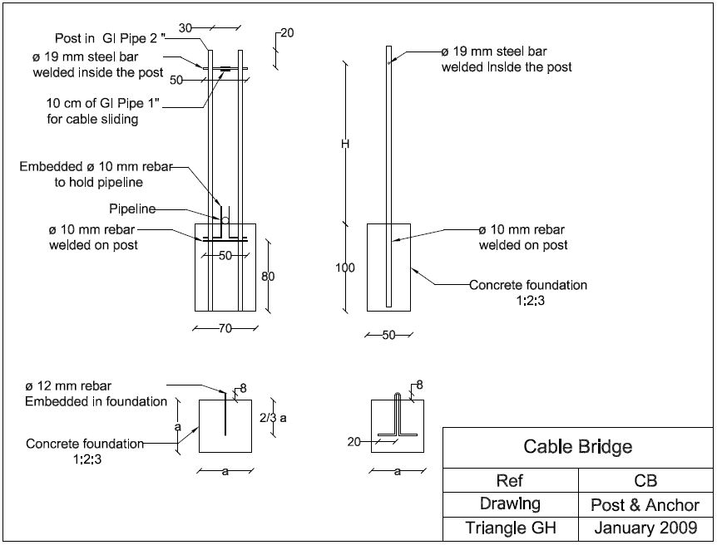
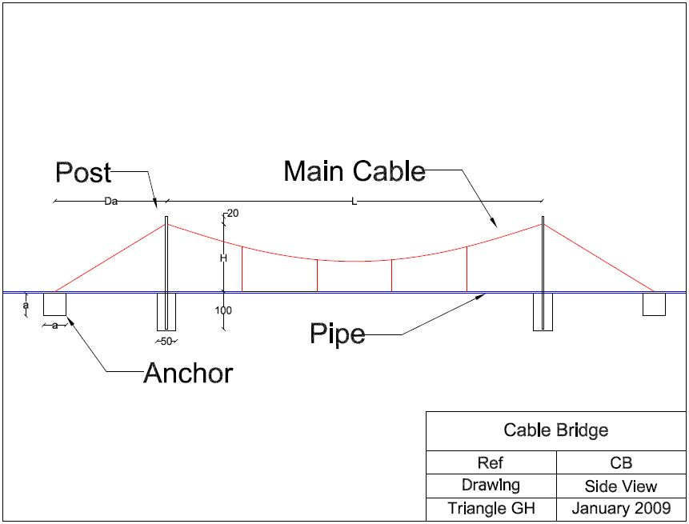
Design - Side view | Design - Post and anchor

BoQ
BoQ

Material | Specifications | Unit | Qty | Qty including losses & rounded | Remarks
Cement | 42.5 Mpa | 40kg bags | 15.0 | 17 | for 2 posts + 2 anchors
Sand | Size 0-4mm, clean | m3 | 0.80 | 0.9 | for 2 posts + 2 anchors
Gravel | Size 4-20mm, clean | m3 | 1.20 | 1.4 | for 2 posts + 2 anchors
Roche | ? mm, clean | m3 |  | #VALUE! | for 2 posts + 2 anchors
Rebar 10mm | Steel bar with ridges, diameter 10mm, modulus of elasticity equal to 400 MPa, a maximum strength of 480-550 MPa, and a carbon concentration C < 0,15 % | m | 3 | 4 | for 2 posts fixation and pipeline guides
Rebar 12mm | Steel bar with ridges, diameter 12mm, modulus of elasticity equal to 400 MPa, a maximum strength of 480-550 MPa, and a carbon concentration C < 0,15 % | m | 3.1 | 4 | for 2 anchors
Spud bar (19mm) | Round section, 1m long minimum, diameter 19mm | unit | 1 | 1 | to cut in too parts of 50 cm each for cable support at the top of the post
GI pipes 1'' | Galvanised iron pipe 1" diameter | m | 0.2 | 0.2 | to pass into the spud bar to help for cable sliding (10 cm on each post)
GI pipes 2'' | Galvanised iron pipe 2" diameter, in 6 m length | 6 m long pipe | 2.1 | 4 | for the 4 poles of 3.2 m each for the 2 posts
GI pipes 75mm | Galvanised iron pipe 75mm diameter, in 6 m length | 6 m long pipe | 6.8 |  | for suspended pipe
GI socket coupling 75mm | For galvanised iron pipe 75mm diameter | unit | -2 |  | for connection of the suspended pipe (except middle)
GI union coupling 75mm | For galvanised iron pipe 75mm diameter | unit | 3 |  | one in the middle of the bridge and one at each post
Seal tape | PTFE Thread Seal Tape, 15mm wide | rolls | 1 |  | for pipes fittings
8mm stainless steel wire rope | Diameter: 8mm, Minimum breaking loads: 4500 kg | m | 45 | 54 | for main cable
4mm stainless steel wire rope | Diameter: 4mm, Minimum breaking loads: 1200 kg | m | #N/A | #N/A | for 38 loops
Galvanized thimbles # 8 | Hot dip galvanized, for 8mm cable | unit | 2 | 3 | for main cable
Galvanized thimbles # 4 | Hot dip galvanized, for 4mm cable | unit | 38 | 42 | for 38 loops
Galvanized cable clamp 8 mm | Hot dip galvanized, forged steel, mechanical galvanized U-bolt and nut, size 8 mm | unit | 80 | 88 | for main cable and loop fixation on the main cable
Galvanized cable clamp 4 mm | Hot dip galvanized, forged steel, mechanical galvanized U-bolt and nut, size 4 mm | unit | 190 | 209 | for 38 loops
Galvanized turnbuckle 16 mm | Hot dip galvanized, forged steel, eye and eye, 16 mm screw diameter | unit | 2 | 2 | for main cable
Galvanized shackle 16mm | Hot dip galvanized, forged steel, 16mm size | unit | 2 | 2 | for main cable
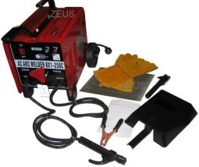
Tools and consumables
Ropes | Multifilament polypropylene rope, 8mm diameter, 1000kg breaking load minimum, roll of 50m | roll | 2 | 2 | for cable, pipeline pulling and security works
Welding machine set | HDPE fusion machine, generator | set | 1 | 1 | for poles and rods welding
Safety harness | Full body safety harness, quick-release buckles, fall arrest classification | unit | 1 | 1 | for security works
Cable puller | 3 tons capacity, including cable grip for 4-12mm steel wire rope | unit | 1 | 1 | for cable tension | 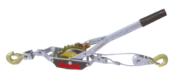 | 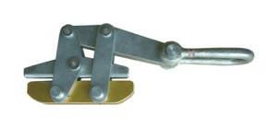

Pipe Properties
