Exercises
Use the data in the "CRM Export" to answer the exercises.

Exercise 1
Make an exact replica of this PivotTable (including the design). |  |  | Sum of Revenue | Column Labels
 |  |  | Row Labels | Oct | Nov | Dec | Grand Total
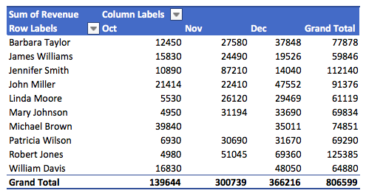
 |  |  | Barbara Taylor | 12450 | 27580 | 37848 | 77878
 |  |  | James Williams | 15830 | 24490 | 19526 | 59846
 |  |  | Jennifer Smith | 10890 | 87210 | 14040 | 112140
 |  |  | John Miller | 21414 | 22410 | 47552 | 91376
 |  |  | Linda Moore | 5530 | 26120 | 29469 | 61119
 |  |  | Mary Johnson | 4950 | 31194 | 33690 | 69834
 |  |  | Michael Brown | 39840 |  | 35011 | 74851
 |  |  | Patricia Wilson | 6930 | 30690 | 31670 | 69290
 |  |  | Robert Jones | 4980 | 51045 | 69360 | 125385
 |  |  | William Davis | 16830 |  | 48050 | 64880
 |  |  | Grand Total | 139644 | 300739 | 366216 | 806599

Exercise 2
Change the values to percent and find the following numbers:

 | a) James Williams´ revenue in percent of the grand total revenue.
 | 7.42%

 | b) How many percent of the total revenue from Microphone sales came from Patricia Wilson?
 | 28.95%

 | c) How many percent of the total revenue was generated in November?
 | 37.28%

 |  | Date | Oct
Exercise 3
Find the following values: |  | Average of Revenue | Column Labels
 |  | Row Labels | Camera | Microphone | Selfie stick | Tripod | Grand Total
 | a) Average camera sale for Michael Brown in October. | Barbara Taylor | 12450 |  |  |  | 12450
 | 39,840 | James Williams |  | 11880 |  | 3950 | 7915
 |  | Jennifer Smith |  | 10890 |  |  | 10890
 | b) The average selfie stick sale. | John Miller | 19920 |  | 1494 |  | 10707
 |  | Linda Moore |  |  |  | 5530 | 5530
 |  | Mary Johnson |  | 4950 |  |  | 4950
 | c) John Millers smallest camera sale | Michael Brown | 39840 |  |  |  | 39840
 |  | Patricia Wilson |  | 6930 |  |  | 6930
 |  | Robert Jones |  |  | 4980 |  | 4980
 |  | William Davis |  | 16830 |  |  | 16830
Exercise 4 |  | Grand Total | 24070 | 10296 | 3237 | 4740 | 11637

 | a) Make slicers and activate the right values, so the PivotTable look like this:

 | b) Make slicers and activate the right values, so the PivotTable look like this:

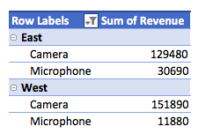

Exercise 5
Add a "calculated field". Name the field "Gross Revenue" and multipy the revenue by 1.1 to add a 10% sales tax.
Make an exact replica of this PivotTable.

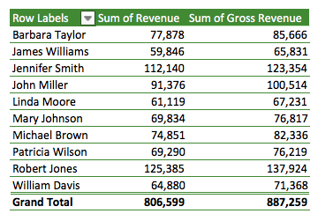

Exercise 6
Make the following PivotCharts:

 | a) A line chart that show the total revenue per product per month.

 | b) A clustered column chart that show the total revenue per sales rep per month.

 | c) A clustered column chart that show the total revenue per sales rep per month.

