Arkusz1
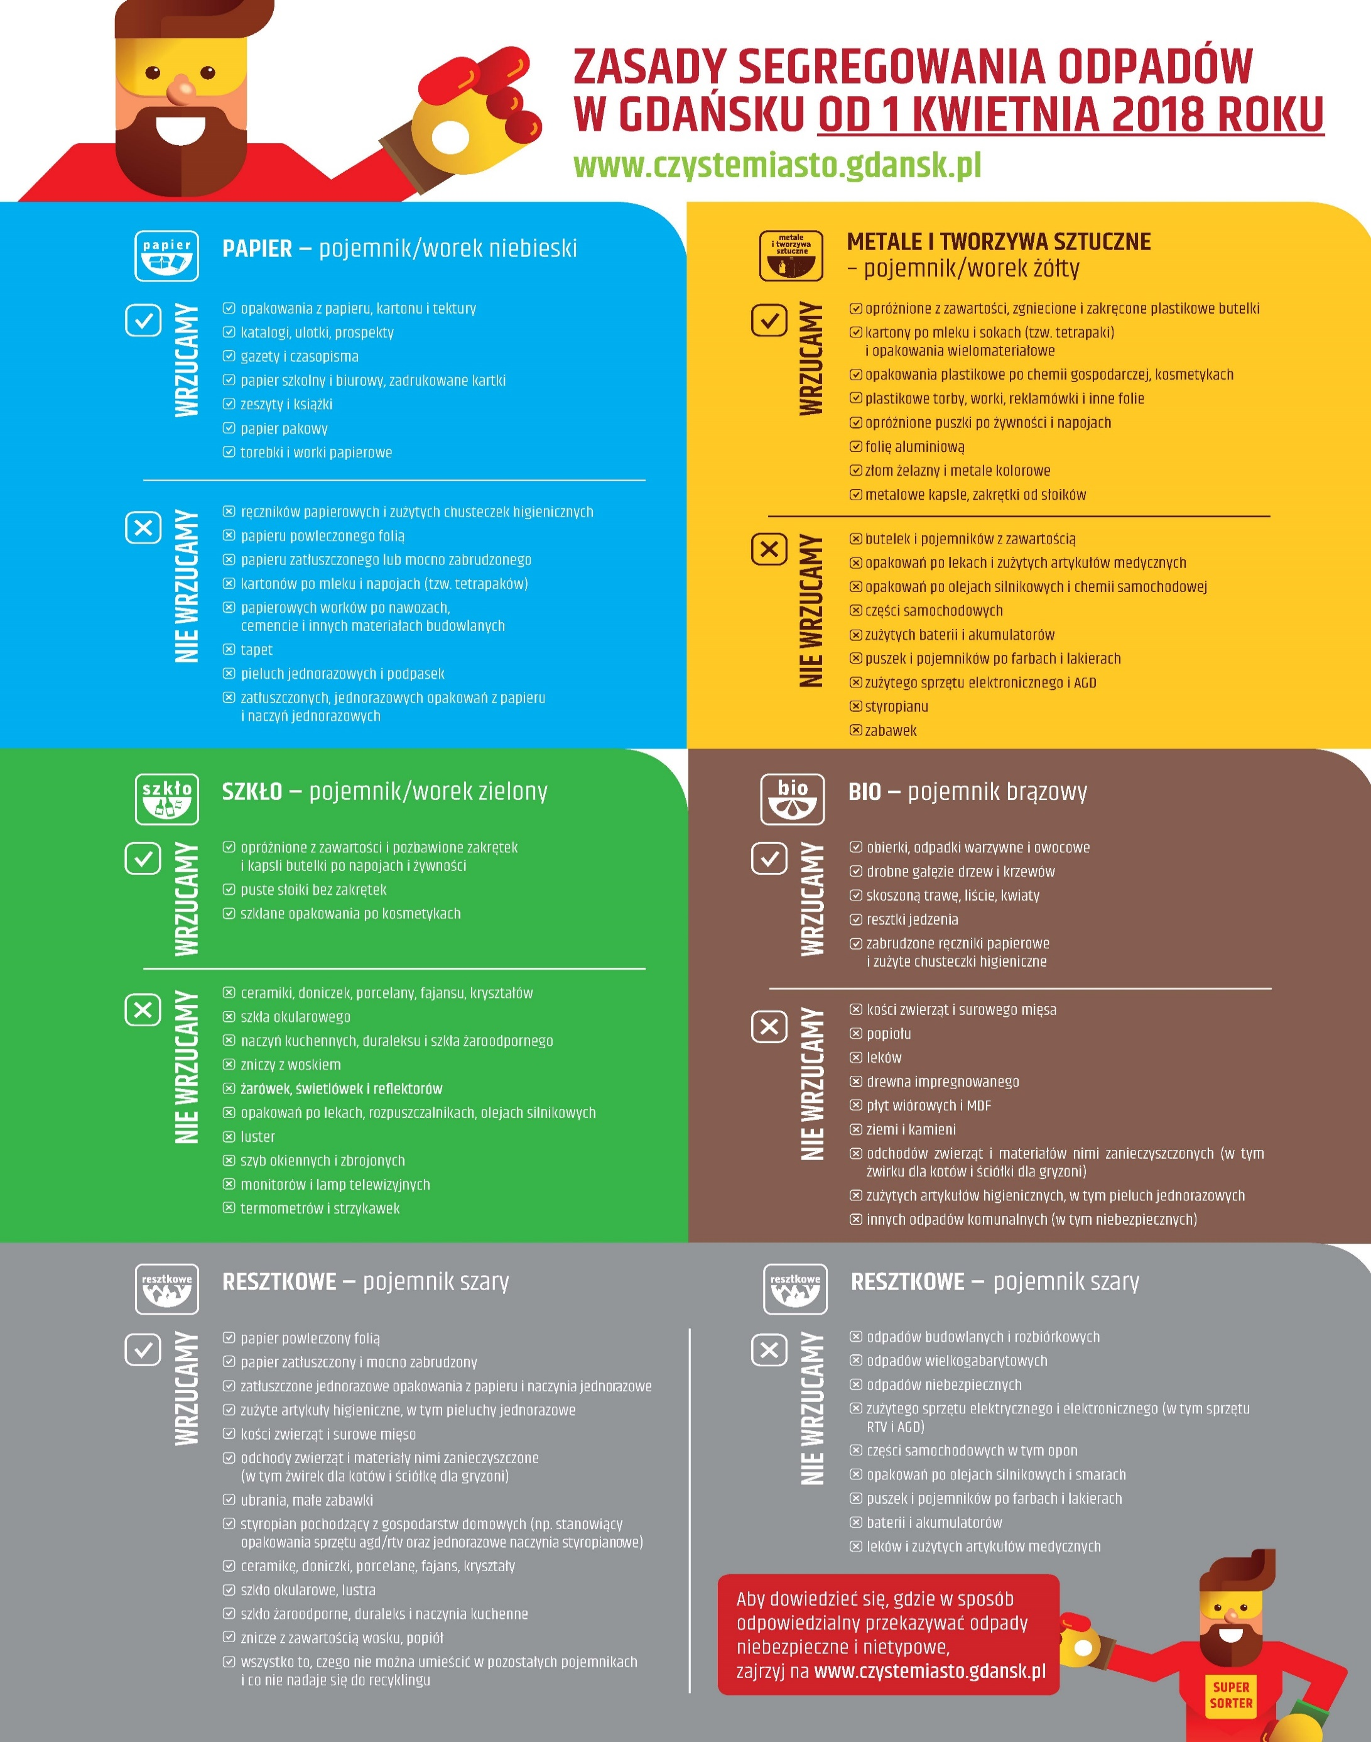
Super category | Category | Notes
Aluminium foil | Aluminium foil | - | metals and plastics
Battery | Battery | - | other
Blister pack | Aluminium blister pack | Containers used to store capsules (e.g. pills) | non-recyclable
Blister pack | Carded blister pack | Paper-back package | non-recyclable
Bottle | Clear plastic bottle | Water and soft drink bottles made of PET | metals and plastics
Bottle | Glass bottle | Includes beer and wine bottles | glass
Bottle | Other plastic bottle | Opaque or translucent. Generally made of HDPE. Includes detergent bottles | metals and plastics
Bottle cap | Plastic bottle cap | - | metals and plastics
Bottle cap | Metal bottle cap | - | metals and plastics
Broken glass | Broken glass | - | glass
Can | Aerosol | - | metals and plastics
Can | Drink can | Aluminium soda can | metals and plastics
Can | Food can | Steel can | metals and plastics
Carton | Corrugated carton | Includes cardboard boxes | paper
Carton | Drink carton | Tetrapak composites | metals and plastics
Carton | Egg carton | - | paper
Carton | Meal carton | Includes sandwich boxes, paper plates, take-out boxes | non-recyclable
Carton | Pizza box | - | non-recyclable
Carton | Toilet tube | - | paper
Carton | Other carton | Paperboard boxes | paper
Cigarette | Cigarette | Cigarette butts | non-recyclable
Cup | Paper cup | - | non-recyclable
Cup | Disposable plastic cup | Generally made of PET | metals and plastics
Cup | Foam cup | Polystyrene Cup | non-recyclable
Cup | Glass cup | - | non-recyclable
Cup | Other plastic cup | Reusable plastic cups, thicker than disposable ones | metals and plastics
Food waste | Food waste | - | bio
Glass jar | Glass jar | - | glass
Lid | Plastic lid | Includes cup lids | metals and plastics
Lid | Metal lid | Generally glass jar lids | metals and plastics
Paper | Normal paper | - | paper
Paper | Tissues | - | non-recyclable
Paper | Wrapping paper | - | non-recyclable
Paper | Magazine paper | Plastified paper used in catalogues | non-recyclable
Paper bag | Paper bag | Brown bag | paper
Paper bag | Plastified paper bag | Bakery bags that come with transparent film | non-recyclable
Plastic bag & wrapper | Garbage bag | - | non-recyclable
Plastic bag & wrapper | Single-use carrier bag | - | metals and plastics
Plastic bag & wrapper | Polypropylene bag | Reusable bags | metals and plastics
Plastic bag & wrapper | Plastic Film | May be transparent or opaque. Inludes bread bags, cereal bags and produce bags | metals and plastics
Plastic bag & wrapper | Six pack rings | - | metals and plastics
Plastic bag & wrapper | Crisp packet | So common that it needs its own category | non-recyclable
Plastic bag & wrapper | Other plastic wrapper | Can be made of aluminium. Includes candy wrappers, retort pouches and yoghurt lids | non-recyclable
Plastic container | Spread tub | Includes margarine tubs and yoghurt pots | metals and plastics
Plastic container | Tupperware | HDPE microwavable tub | metals and plastics
Plastic container | Disposable food container | Includes black trays and PET containers | metals and plastics
Plastic container | Foam food container | Styrofoam takeaway boxes | non-recyclable
Plastic container | Other plastic container | - | metals and plastics
Plastic glooves | Plastic glooves | - | metals and plastics
Plastic utensils | Plastic utensils | - | metals and plastics
Pop tab | Pop tab | - | metals and plastics
Rope | Rope | Includes fishing nets | non-recyclable
Scrap metal | Scrap metal | Includes all metal except cans | metals and plastics
Shoe | Shoe | - | non-recyclable
Squeezable tube | Squeezable tube | Includes toothpaste and glue tubes | non-recyclable
Straw | Plastic straw | - | metals and plastics
Straw | Paper straw | - | non-recyclable
Styrofoam piece | Styrofoam piece | - | non-recyclable
Other plastic | Other plastic | Includes other objects or fragments made of plastic | metals and plastics
Unlabeled litter | Unlabeled litter | Unknown object of unknown material. Any ambiguous object. | Unknown

