Example ready dashboard
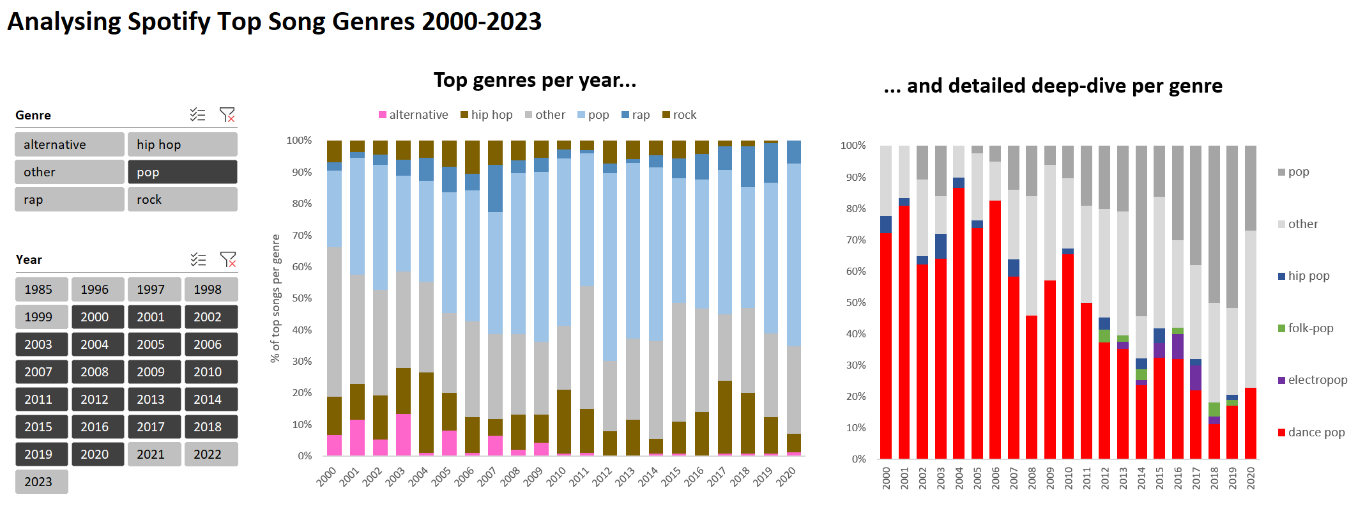

 | hip hop | other | pop
2002 | 13 | 31 | 37
2003 | 12 | 25 | 25
2004 | 24 | 27 | 30
2005 | 13 | 28 | 42
2006 | 11 | 29 | 40
2007 | 5 | 25 | 36
2008 | 11 | 25 | 50
2009 | 8 | 21 | 49

