Sheet15
Count of Title | Column Labels
Row Labels | hip hop | other | pop | Grand Total
2002 | 13 | 31 | 37 | 81
2003 | 12 | 25 | 25 | 62
2004 | 24 | 27 | 30 | 81
2005 | 13 | 28 | 42 | 83
2006 | 11 | 29 | 40 | 80
2007 | 5 | 25 | 36 | 66
2008 | 11 | 25 | 50 | 86
2009 | 8 | 21 | 49 | 78
Grand Total | 97 | 211 | 309 | 617

Sheet16
Genre | (Multiple Items)

 | atl hip hop | australian dance | big room | boy band | british soul | canadian hip hop | conscious hip hop | contemporary country | contemporary r&b | crunk | dance pop | detroit hip hop
2002 | 3 |  | 1 | 3 | 2 |  | 2 | 1 | 10 | 1 | 23 | 4
2003 | 7 |  |  | 1 |  |  |  |  | 4 | 4 | 16
2004 | 9 | 1 |  | 2 | 2 |  |  | 1 |  | 2 | 26 | 8
2005 | 4 |  |  | 1 |  |  | 1 |  | 1 |  | 31 | 2
2006 | 8 |  |  | 2 | 7 |  |  | 2 |  | 1 | 33
2007 | 2 |  |  |  | 4 |  |  |  | 2 |  | 21
2008 | 7 | 3 |  | 1 | 3 |  |  |  | 2 |  | 23
2009 |  |  |  | 1 |  | 1 |  | 1 |  |  | 28 | 2
Count of Title | Column Labels
Row Labels | atl hip hop | australian dance | big room | boy band | british soul | canadian hip hop | conscious hip hop | contemporary country | contemporary r&b | crunk | dance pop | detroit hip hop | disco house | east coast hip hop | edm | eurodance | g funk | grime | hip hop | hip pop | indietronica | neo mellow | neo soul | other | permanent wave | pop | r&b | Grand Total
2002 | 3 |  | 1 | 3 | 2 |  | 2 | 1 | 10 | 1 | 23 | 4 |  | 4 |  | 3 |  |  |  | 1 |  | 1 |  | 15 | 3 | 4 |  | 81
2003 | 7 |  |  | 1 |  |  |  |  | 4 | 4 | 16 |  | 1 | 5 | 1 |  |  |  |  | 2 |  | 2 | 4 | 11 |  | 4 |  | 62
2004 | 9 | 1 |  | 2 | 2 |  |  | 1 |  | 2 | 26 | 8 | 1 | 2 | 1 | 3 | 3 |  | 1 | 1 |  | 4 |  | 13 |  |  | 1 | 81
2005 | 4 |  |  | 1 |  |  | 1 |  | 1 |  | 31 | 2 | 1 | 5 |  |  | 1 |  |  | 1 |  | 8 | 1 | 20 | 2 | 1 | 3 | 83
2006 | 8 |  |  | 2 | 7 |  |  | 2 |  | 1 | 33 |  | 2 | 2 |  |  |  |  |  |  |  | 3 | 1 | 17 |  | 2 |  | 80
2007 | 2 |  |  |  | 4 |  |  |  | 2 |  | 21 |  | 1 | 2 | 1 |  | 1 |  |  | 2 |  | 1 | 2 | 18 |  | 5 | 4 | 66
2008 | 7 | 3 |  | 1 | 3 |  |  |  | 2 |  | 23 |  |  |  | 1 | 2 |  | 1 | 3 |  |  | 2 | 2 | 26 | 1 | 8 | 1 | 86
2009 |  |  |  | 1 |  | 1 |  | 1 |  |  | 28 | 2 |  | 3 |  | 1 |  | 1 | 2 |  | 2 | 3 | 3 | 27 |  | 3 |  | 78
Grand Total | 40 | 4 | 1 | 11 | 18 | 1 | 3 | 5 | 19 | 8 | 201 | 16 | 6 | 23 | 4 | 9 | 5 | 2 | 6 | 7 | 2 | 24 | 13 | 147 | 6 | 27 | 9 | 617

Sheet17
 | atl hip hop | australian dance | big room | boy band | british soul | canadian hip hop | conscious hip hop | contemporary country | contemporary r&b | crunk | dance pop | detroit hip hop
2002 | 3 |  | 1 | 3 | 2 |  | 2 | 1 | 10 | 1 | 23 | 4
2003 | 7 |  |  | 1 |  |  |  |  | 4 | 4 | 16
2004 | 9 | 1 |  | 2 | 2 |  |  | 1 |  | 2 | 26 | 8
2005 | 4 |  |  | 1 |  |  | 1 |  | 1 |  | 31 | 2
2006 | 8 |  |  | 2 | 7 |  |  | 2 |  | 1 | 33
2007 | 2 |  |  |  | 4 |  |  |  | 2 |  | 21
2008 | 7 | 3 |  | 1 | 3 |  |  |  | 2 |  | 23
2009 |  |  |  | 1 |  | 1 |  | 1 |  |  | 28 | 2

 | hip hop | other | pop
2002 | 13 | 31 | 37
2003 | 12 | 25 | 25
2004 | 24 | 27 | 30
2005 | 13 | 28 | 42
2006 | 11 | 29 | 40
2007 | 5 | 25 | 36
2008 | 11 | 25 | 50
2009 | 8 | 21 | 49

Example ready dashboard
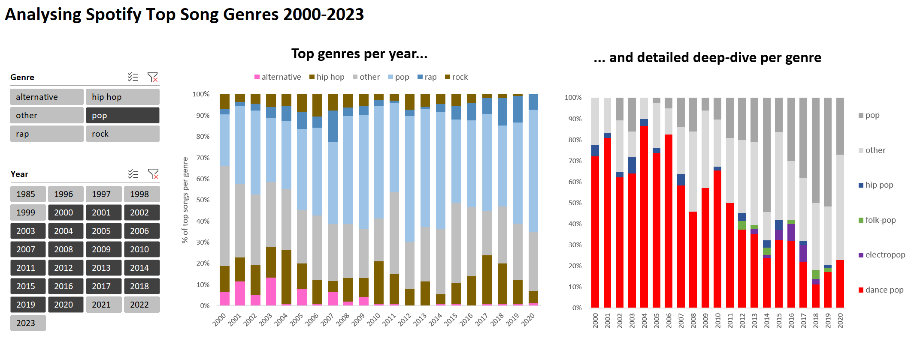

 | hip hop | other | pop
2002 | 13 | 31 | 37
2003 | 12 | 25 | 25
2004 | 24 | 27 | 30
2005 | 13 | 28 | 42
2006 | 11 | 29 | 40
2007 | 5 | 25 | 36
2008 | 11 | 25 | 50
2009 | 8 | 21 | 49

