Test Case
No. | Scenario ID | Modul / Area | Field Skenario | Tipe | Deskripsi Skenario | Prasyarat | Langkah Uji | Hasil yang Diharapkan | Priority | Status Uji | Hasil Aktual | Bukti Pengujian | QA | Tanggal Uji
1 | PROD-PDF-001 | Inventory | PDF - Print Report Cut | SIT | Unduh laporan inventory slope cut di produksi. | Login test@example.com di https://lhms.gfm-consult.com. Slope PDF PROD CUT dibuat lalu dihapus setelah uji. | 1. Buka detail Inventory PDF PROD CUT. 2. Klik Print Report. 3. Periksa respons unduhan. | HTTP 200. Content-Type application/pdf. Isi file diawali %PDF. | High | Pass | HTTP 200, application/pdf, 51.935 byte, header %PDF. URL /pdf-inventory/pdf-prod-cut. Setelah uji, slope dihapus (cek ulang HTTP 404). | 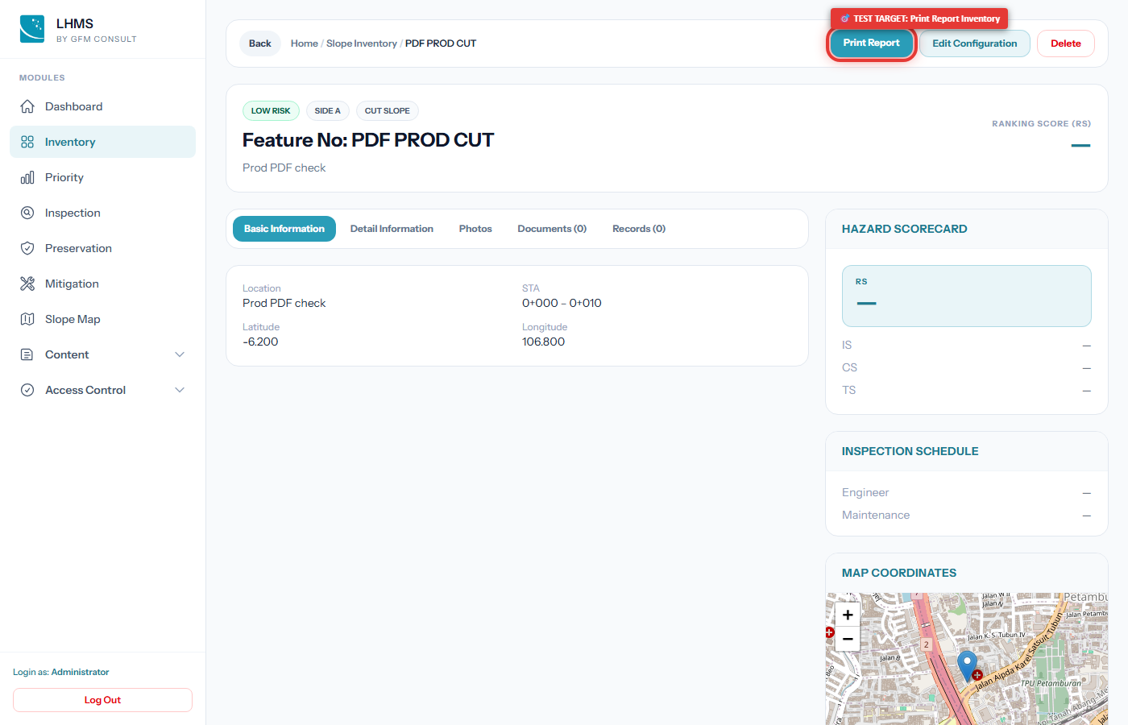 Gambar terlampir di sel ini. | Ageng | 03/10/2026
2 | PROD-PDF-002 | Priority | PDF - Print Report Rating | SIT | Unduh laporan rating slope di produksi. | Slope PDF PROD CUT sudah tersimpan. Akun Administrator. | 1. Buka detail Priority PDF PROD CUT. 2. Klik Print Report. 3. Periksa respons unduhan. | HTTP 200. Content-Type application/pdf. Isi file diawali %PDF. | High | Pass | HTTP 200, application/pdf, 51.009 byte, header %PDF. URL /pdf-rating/pdf-prod-cut. | 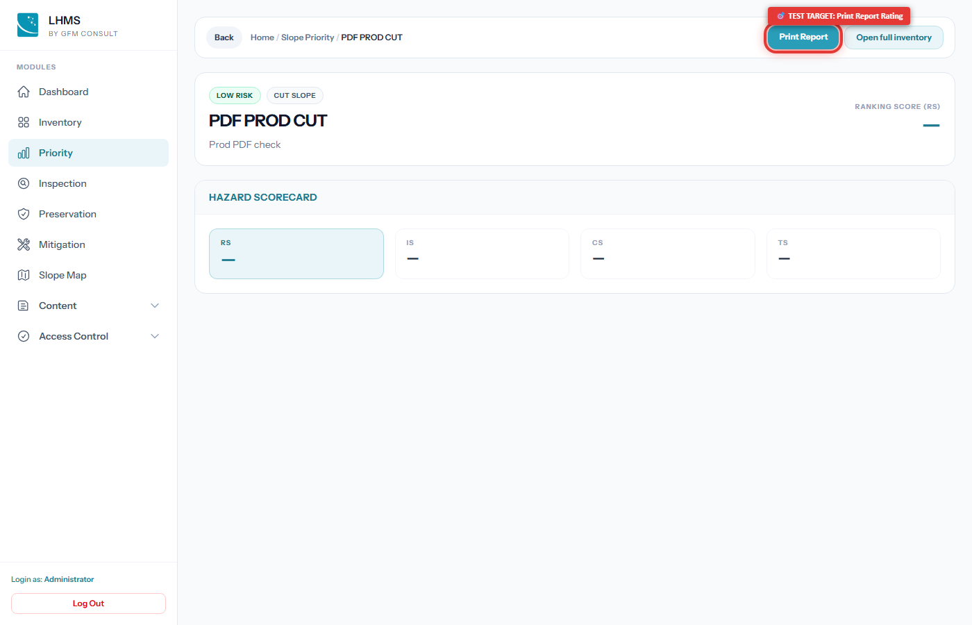 Gambar terlampir di sel ini. | Ageng | 03/10/2026
3 | PROD-PDF-003 | Mitigation | PDF - Print Report Mitigation | SIT | Unduh laporan mitigation plan di produksi. | Plan uji pada PDF PROD CUT: kondisi Prod PDF check only. Plan ikut terhapus bersama slope. | 1. Simpan plan mitigation. 2. Buka halaman plan. 3. Klik Print Report. 4. Periksa respons unduhan. | HTTP 200. Content-Type application/pdf. Isi file diawali %PDF. | High | Pass | HTTP 200, application/pdf, 44.187 byte, header %PDF. URL /pdf-mitigation/2. | 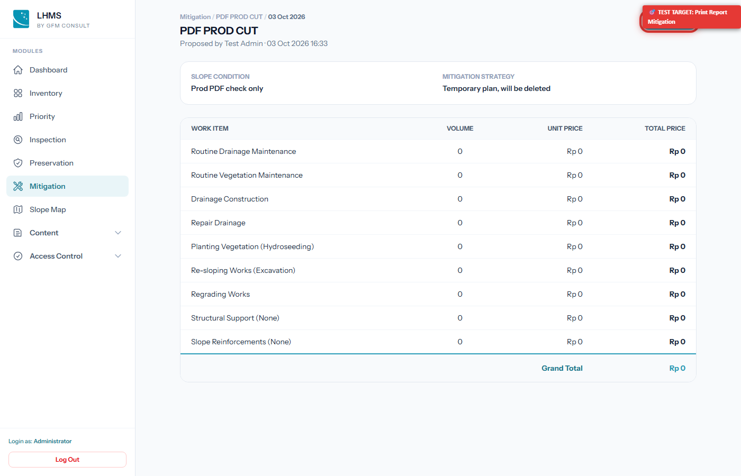 Gambar terlampir di sel ini. | Ageng | 03/10/2026
4 | PROD-PDF-004 | Inventory | PDF - Print Report Rock | SIT | Unduh laporan inventory slope rock di produksi. | Slope PDF PROD ROCK dibuat lalu dihapus setelah uji. | 1. Buka detail Inventory PDF PROD ROCK. 2. Klik Print Report. 3. Periksa respons unduhan. | HTTP 200. Content-Type application/pdf. Isi file diawali %PDF. | High | Pass | HTTP 200, application/pdf, 49.708 byte, header %PDF. URL /pdf-inventory/pdf-prod-rock. Setelah uji, slope dihapus (cek ulang HTTP 404). |  Gambar terlampir di sel ini. | Ageng | 03/10/2026

