Histogram
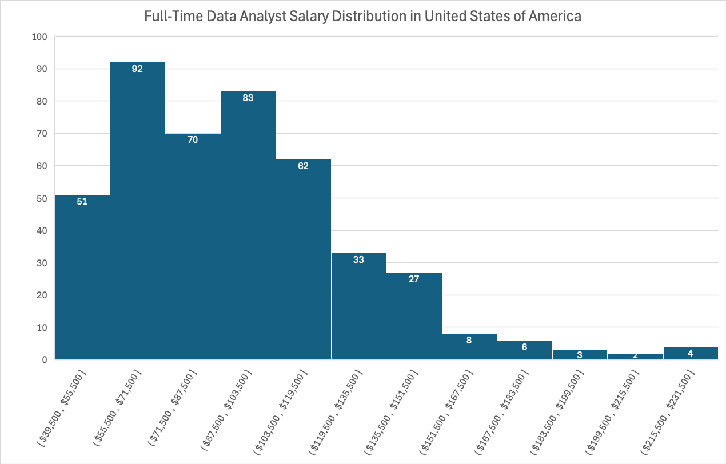

Pivot Table
Total Jobs by Short Job Name
 | Total
(blank)
Cloud Engineer | 4
Software Engineer | 34
Business Analyst | 45
Machine Learning Engineer | 74
Senior Data Engineer | 145
Senior Data Analyst | 191
Senior Data Scientist | 236
Data Engineer | 522
Data Scientist | 869
Data Analyst | 982
Row Labels | Count of job_title_short
(blank)
Cloud Engineer | 4
Software Engineer | 34
Business Analyst | 45
Machine Learning Engineer | 74
Senior Data Engineer | 145
Senior Data Analyst | 191
Senior Data Scientist | 236
Data Engineer | 522
Data Scientist | 869
Data Analyst | 982
Grand Total | 3102

