Dynamic Model
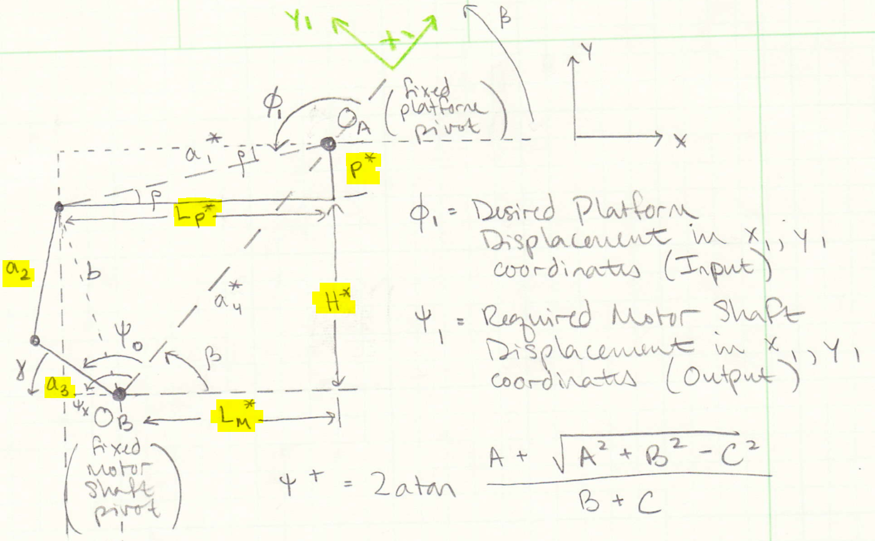
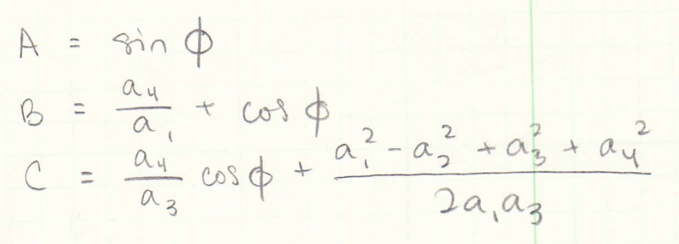
Desired Output Angle at Platform Pivot (degrees) (angle from neutral position) | Input Angle with Offset at Platform Pivot (PHI) degrees | A | B | C | Under the SQRT | Required Angle at Motor Shaft (PSI) degrees | Ratio of Platform Output to Motor Shaft Input | Motor link angle from horizontal | Inputs (Link Lengths) | inches |  | Static Inputs (System Dimensions) | inches
-14 | 160.10 | 0.340 | 0.123 | 0.104 | 0.120 | 143.44 | 1.12 | -2.10 | a1 | 6.02 |  | Distance motor to pivot (x) Lm* | 5
-13 | 159.10 | 0.357 | 0.129 | 0.123 | 0.129 | 141.13 | 1.13 | 0.21 | a2 | 2.5 | (L2) | Distance motor to linkage attach (y) H* | 3.5
-12 | 158.10 | 0.373 | 0.136 | 0.144 | 0.137 | 138.80 | 1.14 | 2.54 | a3 | 2 | (L1) | Distance motor to pivot (y) (H*+p*) | 4
-11 | 157.10 | 0.389 | 0.142 | 0.165 | 0.144 | 136.46 | 1.15 | 4.88 | a4 | 6.40 |  | Distance pivot to linkage attach on platform (x) Lp* | 6
-10 | 156.10 | 0.405 | 0.149 | 0.187 | 0.151 | 134.10 | 1.16 | 7.24 |  |  |  | Distance pivot to linkage attach on platform (y) p* | 0.5
-9 | 155.10 | 0.421 | 0.156 | 0.210 | 0.158 | 131.71 | 1.18 | 9.63
-8 | 154.10 | 0.437 | 0.164 | 0.234 | 0.163 | 129.30 | 1.19 | 12.04
-7.5 | 153.60 | 0.445 | 0.168 | 0.246 | 0.165 | 128.09 | 1.20 | 13.25 |  |  |  | Calculation of initial angle (PSI)
-7 | 153.10 | 0.452 | 0.172 | 0.259 | 0.167 | 126.86 | 1.21 | 14.48 |  |  |  | l* (in) | 1
-6.5 | 152.60 | 0.460 | 0.176 | 0.272 | 0.169 | 125.62 | 1.21 | 15.72 |  |  |  | b* (in) | 3.64
-6 | 152.10 | 0.468 | 0.180 | 0.285 | 0.170 | 124.38 | 1.22 | 16.96 |  |  |  | alpha* (degrees) | 74.05
-5.5 | 151.60 | 0.476 | 0.184 | 0.298 | 0.171 | 123.12 | 1.23 | 18.22 |  |  |  | angle A2 (law of cosines) | 40.93
-5 | 151.10 | 0.483 | 0.188 | 0.311 | 0.172 | 121.85 | 1.24 | 19.49 |  |  |  | initial angle psi (degrees) | 108.22
-4.5 | 150.60 | 0.491 | 0.192 | 0.325 | 0.172 | 120.57 | 1.25 | 20.77 |  |  |  | initial angle psi (degrees) measured from horizontal | 33.12
-4 | 150.10 | 0.498 | 0.197 | 0.339 | 0.172 | 119.27 | 1.26 | 22.07
-3.5 | 149.60 | 0.506 | 0.201 | 0.353 | 0.172 | 117.96 | 1.27 | 23.38 |  |  |  | Calculation of initial angle (PHI)
-3 | 149.10 | 0.513 | 0.205 | 0.367 | 0.171 | 116.63 | 1.28 | 24.71 |  |  |  | beta (transformation angle to standard axis) | 38.66
-2.5 | 148.60 | 0.521 | 0.210 | 0.381 | 0.170 | 115.28 | 1.29 | 26.06 |  |  |  | phi_x (angle phi to horizontal axis) | 141.34
-2 | 148.10 | 0.528 | 0.214 | 0.396 | 0.168 | 113.92 | 1.30 | 27.42 |  |  |  | rho | 4.76
-1.5 | 147.60 | 0.536 | 0.219 | 0.411 | 0.166 | 112.53 | 1.31 | 28.81 |  |  |  | initial angle (phi) | 146.10
-1 | 147.10 | 0.543 | 0.224 | 0.426 | 0.164 | 111.12 | 1.32 | 30.22
-0.5 | 146.60 | 0.550 | 0.229 | 0.441 | 0.161 | 109.68 | 1.34 | 31.66
0 | 146.10 | 0.558 | 0.233 | 0.457 | 0.157 | 108.22 | 1.35 | 33.12
0.5 | 145.60 | 0.565 | 0.238 | 0.472 | 0.153 | 106.72 | 1.36 | 34.62
1 | 145.10 | 0.572 | 0.243 | 0.488 | 0.148 | 105.20 | 1.38 | 36.14
1.5 | 144.60 | 0.579 | 0.248 | 0.504 | 0.143 | 103.63 | 1.40 | 37.71
2 | 144.10 | 0.586 | 0.253 | 0.521 | 0.137 | 102.02 | 1.41 | 39.32
2.5 | 143.60 | 0.593 | 0.259 | 0.537 | 0.130 | 100.37 | 1.43 | 40.98
3 | 143.10 | 0.600 | 0.264 | 0.554 | 0.123 | 98.65 | 1.45 | 42.69
3.5 | 142.60 | 0.607 | 0.269 | 0.571 | 0.116 | 96.88 | 1.47 | 44.46
4 | 142.10 | 0.614 | 0.274 | 0.588 | 0.107 | 95.04 | 1.50 | 46.30
4.5 | 141.60 | 0.621 | 0.280 | 0.605 | 0.098 | 93.11 | 1.52 | 48.24
5 | 141.10 | 0.628 | 0.285 | 0.622 | 0.088 | 91.07 | 1.55 | 50.27
5.5 | 140.60 | 0.635 | 0.291 | 0.640 | 0.078 | 88.91 | 1.58 | 52.43
6 | 140.10 | 0.641 | 0.296 | 0.658 | 0.066 | 86.58 | 1.62 | 54.76
6.5 | 139.60 | 0.648 | 0.302 | 0.676 | 0.054 | 84.03 | 1.66 | 57.31
7 | 139.10 | 0.655 | 0.308 | 0.694 | 0.041 | 81.17 | 1.71 | 60.17
7.5 | 138.60 | 0.661 | 0.313 | 0.713 | 0.028 | 77.80 | 1.78 | 63.54
8 | 138.10 | 0.668 | 0.319 | 0.731 | 0.013 | 73.41 | 1.88 | 67.93
8.5 | 137.60 | 0.674 | 0.325 | 0.750 | -0.002 | #NUM! | #NUM! | #NUM!
9 | 137.10 | 0.681 | 0.331 | 0.769 | -0.018 | #NUM! | #NUM! | #NUM!
9.5 | 136.60 | 0.687 | 0.337 | 0.788 | -0.035 | #NUM! | #NUM! | #NUM!

Test Sine Wave
Time | Desired Output Angle at Platform Pivot (degrees) | Input Angle with Offset at Platform Pivot (PHI) degrees | A | B | C | Under the SQRT | Required Angle at Motor Shaft (PSI) degrees | Ratio of Platform Output to Motor Shaft Input | Static Inputs | inches | Distance motor to pivot (x) (in) | 5
0 | 0.00 | 146.10 | 0.558 | 0.233 | 0.457 | 0.157 | 108.22 | 1.35 | a1 | 6.02 | Distance motor to pivot (y) (in) | 4
0.2 | 4.41 | 141.70 | 0.620 | 0.279 | 0.602 | 0.100 | 93.47 | 1.52 | a2 | 2.5 | Distance pivot to linkage attach on platform (x) (in) | 6
0.4 | 7.13 | 138.97 | 0.656 | 0.309 | 0.699 | 0.038 | 80.34 | 1.73 | a3 | 2 | Distance pivot to linkage attach on platform (y) (in) | 0.5
0.6 | 7.13 | 138.97 | 0.656 | 0.309 | 0.699 | 0.038 | 80.34 | 1.73 | a4 | 6.40
0.8 | 4.41 | 141.70 | 0.620 | 0.279 | 0.602 | 0.100 | 93.47 | 1.52
1 | 0.00 | 146.10 | 0.558 | 0.233 | 0.457 | 0.157 | 108.22 | 1.35 |  |  | Calculation of initial angle (PSI)
1.2 | -4.41 | 150.51 | 0.492 | 0.193 | 0.327 | 0.172 | 120.33 | 1.25 |  |  | H* (in) | 3.5
1.4 | -7.13 | 153.24 | 0.450 | 0.171 | 0.256 | 0.167 | 127.19 | 1.20 |  |  | l* (in) | 1
1.6 | -7.13 | 153.24 | 0.450 | 0.171 | 0.256 | 0.167 | 127.19 | 1.20 |  |  | b* (in) | 3.64
1.8 | -4.41 | 150.51 | 0.492 | 0.193 | 0.327 | 0.172 | 120.33 | 1.25 |  |  | alpha* (degrees) | 74.05
2 | 0.00 | 146.10 | 0.558 | 0.233 | 0.457 | 0.157 | 108.22 | 1.35 |  |  | angle A2 (law of cosines) | 40.93
2.2 | 4.41 | 141.70 | 0.620 | 0.279 | 0.602 | 0.100 | 93.47 | 1.52 |  |  | initial angle psi (degrees) | 108.22
 | Platform Output | Motor Shaft Output
Time | 0.00 | 0.00
0 | 146.10 | 108.22
0.2 | 141.70 | 93.47
0.4 | 138.97 | 80.34
0.6 | 138.97 | 80.34
0.8 | 141.70 | 93.47
1 | 146.10 | 108.22
1.2 | 150.51 | 120.33
1.4 | 153.24 | 127.19
1.6 | 153.24 | 127.19
1.8 | 150.51 | 120.33
2 | 146.10 | 108.22
2.2 | 141.70 | 93.47
2.4 | 138.97 | 80.34
2.6 | 138.97 | 80.34
2.8 | 141.70 | 93.47
3 | 146.10 | 108.22
3.2 | 150.51 | 120.33
3.4 | 153.24 | 127.19
3.6 | 153.24 | 127.19
3.8 | 150.51 | 120.33
4 | 146.10 | 108.22
4.2 | 141.70 | 93.47
4.4 | 138.97 | 80.34
4.6 | 138.97 | 80.34
4.8 | 141.70 | 93.47
5 | 146.10 | 108.22
2.4 | 7.13 | 138.97 | 0.656 | 0.309 | 0.699 | 0.038 | 80.34 | 1.73 |  |  | initial angle psi (degrees) measured from horizontal | 37.89
2.6 | 7.13 | 138.97 | 0.656 | 0.309 | 0.699 | 0.038 | 80.34 | 1.73
2.8 | 4.41 | 141.70 | 0.620 | 0.279 | 0.602 | 0.100 | 93.47 | 1.52 |  |  | Calculation of initial angle (PHI)
3 | 0.00 | 146.10 | 0.558 | 0.233 | 0.457 | 0.157 | 108.22 | 1.35 |  |  | beta (transformation angle to standard axis) | 38.66
3.2 | -4.41 | 150.51 | 0.492 | 0.193 | 0.327 | 0.172 | 120.33 | 1.25 |  |  | phi_x (angle phi to horizontal axis) | 141.34
3.4 | -7.13 | 153.24 | 0.450 | 0.171 | 0.256 | 0.167 | 127.19 | 1.20 |  |  | rho | 4.76
3.6 | -7.13 | 153.24 | 0.450 | 0.171 | 0.256 | 0.167 | 127.19 | 1.20 |  |  | initial angle (phi) | 146.10
3.8 | -4.41 | 150.51 | 0.492 | 0.193 | 0.327 | 0.172 | 120.33 | 1.25
4 | 0.00 | 146.10 | 0.558 | 0.233 | 0.457 | 0.157 | 108.22 | 1.35
4.2 | 4.41 | 141.70 | 0.620 | 0.279 | 0.602 | 0.100 | 93.47 | 1.52 |  |  | Dynamic Inputs
4.4 | 7.13 | 138.97 | 0.656 | 0.309 | 0.699 | 0.038 | 80.34 | 1.73 |  |  | Amplitude (degrees) | 7.5
4.6 | 7.13 | 138.97 | 0.656 | 0.309 | 0.699 | 0.038 | 80.34 | 1.73 |  |  | Frequency (Hz) | 0.5
4.8 | 4.41 | 141.70 | 0.620 | 0.279 | 0.602 | 0.100 | 93.47 | 1.52
5 | 0.00 | 146.10 | 0.558 | 0.233 | 0.457 | 0.157 | 108.22 | 1.35

