Sheet1
A201 (Tekscan) | 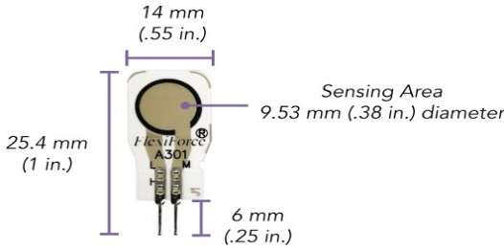 A301 (Tekscan) | 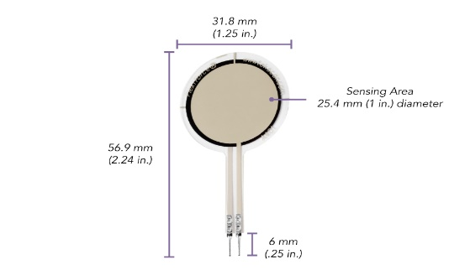 A401 (Tekscan) | FC23 (TE connectivity)

Sensor length ranges from 50.8-190.5 mm, can be trimmed | Technically same as A201 just different shape | 31.8 mm total diameter, 25.4 mm sensing area, 56.9 mm sensing area | Sensing area 8mm, diameter of cell is 31.75mm
Sensing area 9.53 mm | 8 pack $100.40 or $12.55/each | Can measure up to 31,138N (7,000 lb) | $140.45/each
8 pack of high force ranging sensors - $131.80 (16.48 each) |  | 100K potentiometer & 47 pF capacitor recommended | Able to use 2V-10V voltage supply
3 pin male square pin, center pin inactive |  | 8 pack $157.60 or $19.70/each | Can measure up to 8896 N (2000 lb)
Can measure up to 4,448 N (1000 lb) |  | 2 pin Male Square Pin | Response time of 1ms
Max recommended curernt is 2.5 mA |  | Fast response time <5µsec
Sensor resistance R at no load > 1MΩ
In order to measure higher forces apply a lower drive voltage (-0.5V, -0.25V…)
Force Measurement system Needed $741.60

