Dataset 1
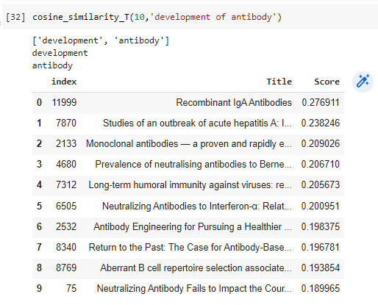
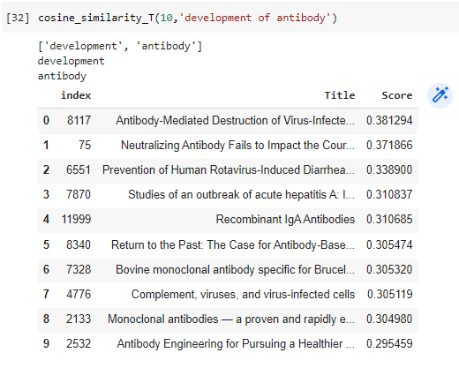
NTC_Dataset 1 |  |  |  | LTC_Dataset 1
 | query: development of antibody |  |  |  | query: development of antibody
 | d1 | not relevant | N, N, R, N, R, R, R, N, R, R |  | d1 | relevant | R, N, R, N, R, R, R, N, R, N
 | d2 | not relevant | R = 6 |  | d2 | not relevant | R = 6
 | d3 | relevant | N = 4 |  | d3 | relevant | N = 4
 | d4 | not relevant |  |  | d4 | not relevant
 | d5 | relevant |  |  | d5 | relevant
 | d6 | relevant |  |  | d6 | relevant
 | d7 | relevant |  |  | d7 | relevant
 | d8 | not relevant |  |  | d8 | not relevant
 | d9 | relevant |  |  | d9 | relevant
 | d10 | relevant |  |  | d10 | not relevant

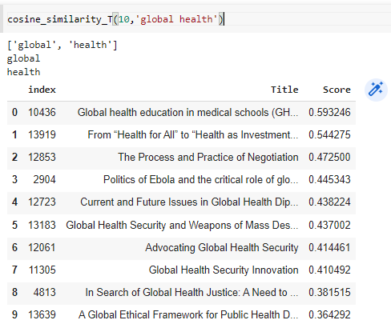
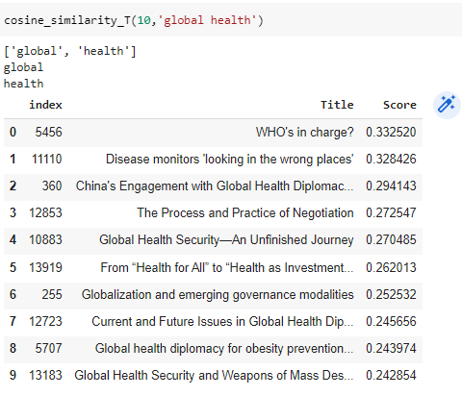
 | query: global health |  |  |  | query: global health
 | d1 | relevant | R, R, R, R, R, N, N, N, N, N |  | d1 | relevant | R, N, R, R, N, R, N, N, N, N
 | d2 | relevant | R = 5 |  | d2 | not relevant | R = 4
 | d3 | relevant | N = 5 |  | d3 | relevant | N = 6
 | d4 | relevant |  |  | d4 | relevant
 | d5 | relevant |  |  | d5 | not relevant
 | d6 | not relevant |  |  | d6 | relevant
 | d7 | not relevant |  |  | d7 | not relevant
 | d8 | not relevant |  |  | d8 | not relevant
 | d9 | not relevant |  |  | d9 | not relevant
 | d10 | not relevant |  |  | d10 | not relevant

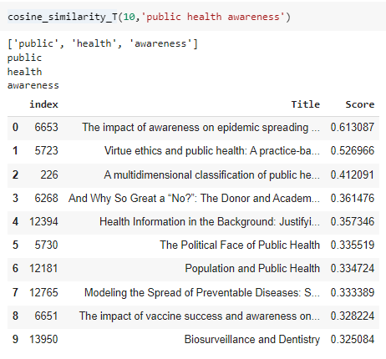
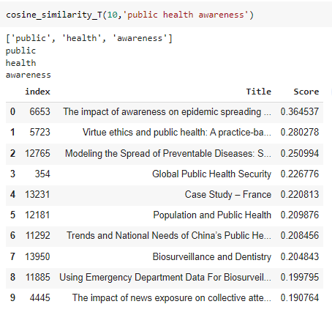
 | query: public health awareness |  |  |  | query: public health awareness
 | d1 | relevant | R, R, N, R, N, N, R, R, R, R |  | d1 | relevant | R, R, R, N, N, R, R, R, R, R
 | d2 | relevant | R = 7 |  | d2 | relevant | R = 8
 | d3 | not relevant | N = 3 |  | d3 | relevant | N = 2
 | d4 | relevant |  |  | d4 | not relevant
 | d5 | not relevant |  |  | d5 | not relevant
 | d6 | not relevant |  |  | d6 | relevant
 | d7 | relevant |  |  | d7 | relevant
 | d8 | relevant |  |  | d8 | relevant
 | d9 | relevant |  |  | d9 | relevant
 | d10 | relevant |  |  | d10 | relevant

Dataset 2
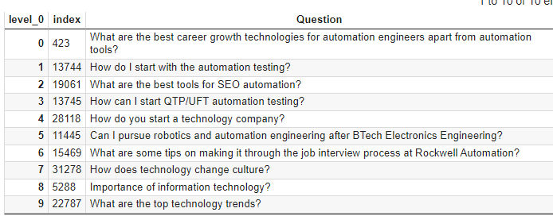
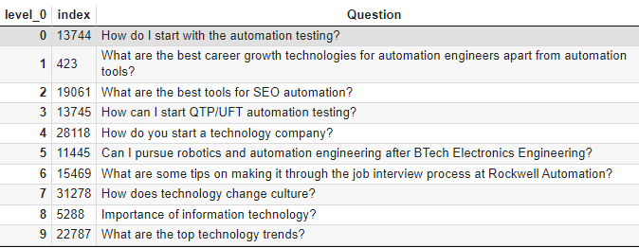
NTC_Dataset 2 |  |  |  | LTC_Dataset 2
 | query : technologies for automation |  |  |  | query : technologies for automation
 | d1 | relevant | R, R, R, R, N, R, N, N, N, N |  | d1 | relevant | R, R, R, R, N, R, N, N, N, N
 | d2 | relevant | R = 5 |  | d2 | relevant | R = 5
 | d3 | relevant | N = 5 |  | d3 | relevant | N = 5
 | d4 | relevant |  |  | d4 | relevant
 | d5 | not relevant |  |  | d5 | not relevant
 | d6 | relevant |  |  | d6 | relevant
 | d7 | not relevant |  |  | d7 | not relevant
 | d8 | not relevant |  |  | d8 | not relevant
 | d9 | not relevant |  |  | d9 | not relevant
 | d10 | not relevant |  |  | d10 | not relevant

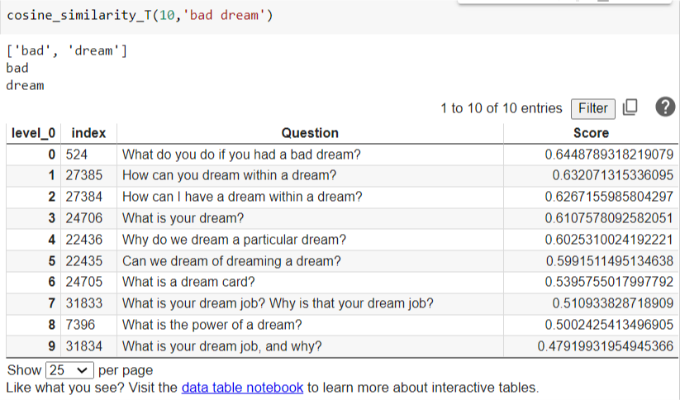
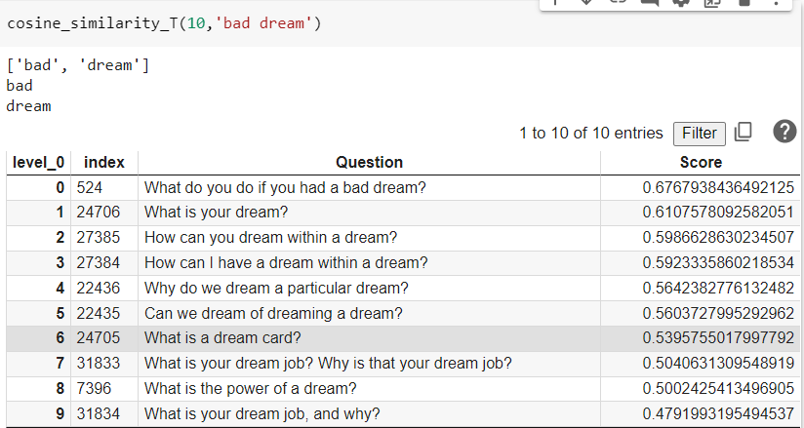
 | query: bad dream |  |  |  | query: bad dream
 | d1 | relevant | R, R, R, N, R, R, N, N, N, N |  | d1 | relevant | R, N, R, R, R, R, N, N, R, N
 | d2 | relevant | R = 5 |  | d2 | not relevant | R = 6
 | d3 | relevant | N = 5 |  | d3 | relevant | N = 4
 | d4 | not relevant |  |  | d4 | relevant
 | d5 | relevant |  |  | d5 | relevant
 | d6 | relevant |  |  | d6 | relevant
 | d7 | not relevant |  |  | d7 | not relevant
 | d8 | not relevant |  |  | d8 | not relevant
 | d9 | not relevant |  |  | d9 | relevant
 | d10 | not relevant |  |  | d10 | not relevant

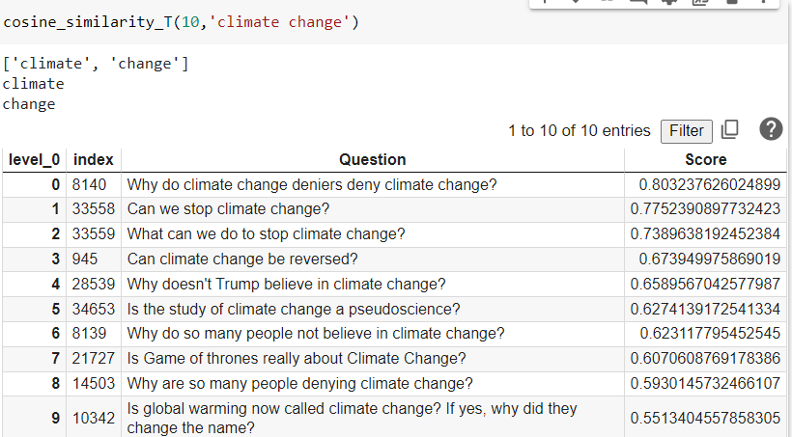
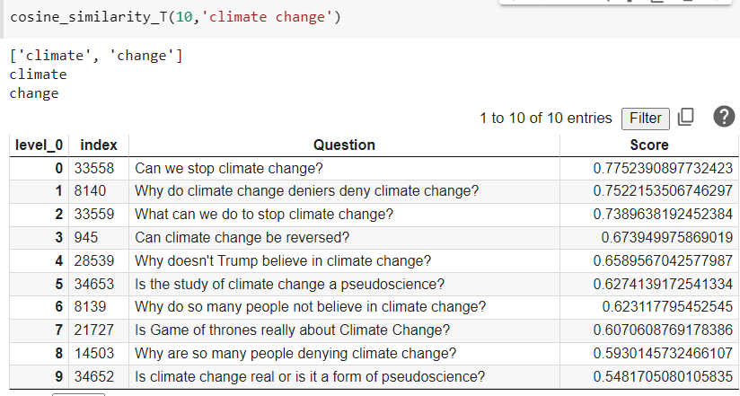
 | query: climate change |  |  |  | query: climate change
 | d1 | relevant | R, R, R, R, R, R, R, R, R, R |  | d1 | relevant | R, R, R, R, R, R, R, R, R, R
 | d2 | relevant | R = 10 |  | d2 | relevant | R = 10
 | d3 | relevant | N = 0 |  | d3 | relevant | N = 0
 | d4 | relevant |  |  | d4 | relevant
 | d5 | relevant |  |  | d5 | relevant
 | d6 | relevant |  |  | d6 | relevant
 | d7 | relevant |  |  | d7 | relevant
 | d8 | relevant |  |  | d8 | relevant
 | d9 | relevant |  |  | d9 | relevant
 | d10 | relevant |  |  | d10 | relevant

