Sheet1
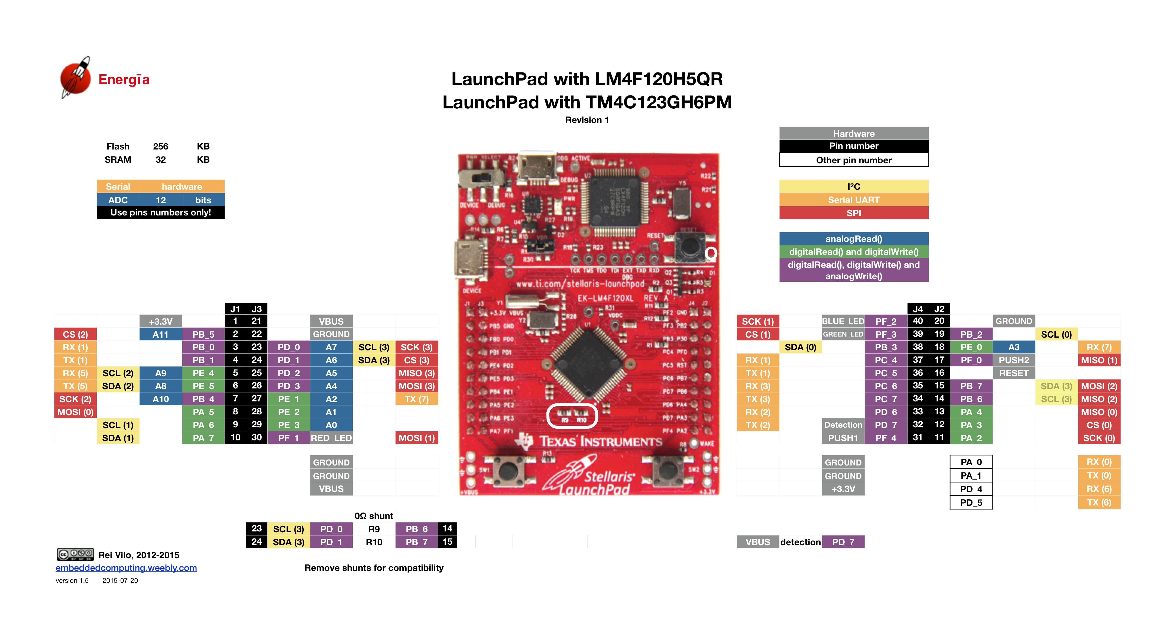

SW2 = PF0
SW1 = PF4

