Sheet1
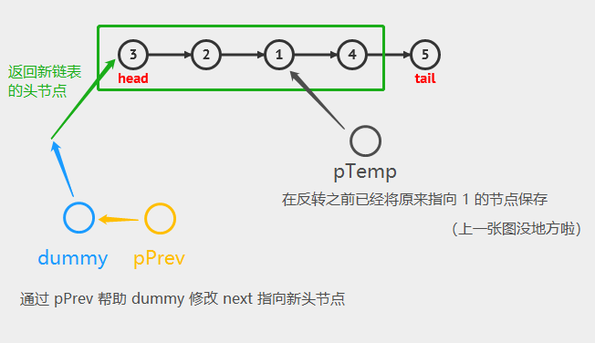
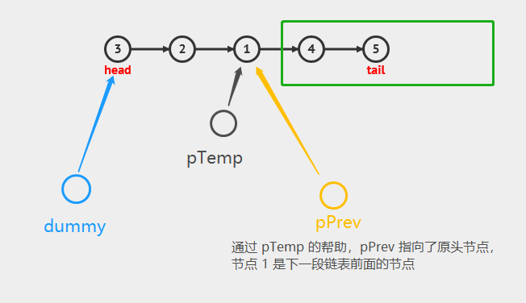
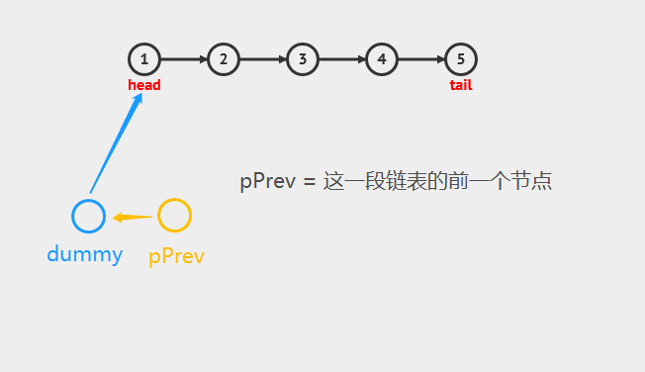

ListNode* reverseKGroup(ListNode* head, int k)
{
ListNode* pAns = new ListNode(0);
pAns->next = head;
ListNode* pPrev = pAns;
ListNode* pNode = head;
while (pNode != nullptr)
{
int i = 0;
while (i++ < k && pNode != nullptr)
{
pNode = pNode->next;
}
if (i != k + 1) break;
ListNode* temp = pPrev->next;
pPrev->next = reverseList(temp, pNode);
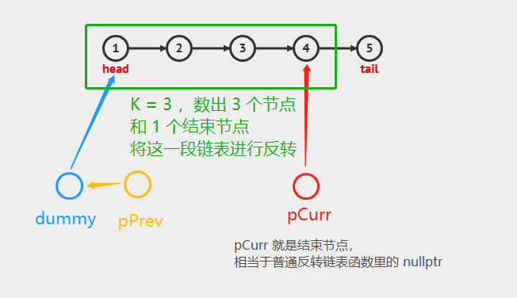
pPrev = temp;
}
return pAns->next;
}

