Sheet1
Model Accuracy vs K-Values(MinMax)
K | MinMax Test | MinMax Train | MinMax total | Standard Test | Standard Train | Standard Total
1 | 0.88 | 0.96 | 0.94 | 0.84 | 0.96 | 0.93
2 | 0.84 | 0.88 | 0.87 | 0.88 | 0.88 | 0.88
3 | 0.92 | 0.88 | 0.89 | 0.92 | 0.86666666667 | 0.88
4 | 1 | 0.85333333333 | 0.89 | 1 | 0.82666666667 | 0.87
5 | 0.92 | 0.86666666667 | 0.88 | 0.92 | 0.86666666667 | 0.88
6 | 0.92 | 0.86666666667 | 0.88 | 0.92 | 0.86666666667 | 0.88
7 | 0.92 | 0.88 | 0.89 | 0.92 | 0.86666666667 | 0.88
8 | 0.96 | 0.88 | 0.9 | 0.92 | 0.88 | 0.89
9 | 0.96 | 0.86666666667 | 0.89 | 0.92 | 0.86666666667 | 0.88
10 | 0.96 | 0.88 | 0.9 | 0.92 | 0.88 | 0.89
11 | 0.96 | 0.89333333333 | 0.91 | 0.92 | 0.88 | 0.89
12 | 0.96 | 0.88 | 0.9 | 0.92 | 0.86666666667 | 0.88
13 | 0.92 | 0.89333333333 | 0.9 | 0.92 | 0.86666666667 | 0.88
14 | 0.96 | 0.89333333333 | 0.91 | 0.92 | 0.88 | 0.89
15 | 0.96 | 0.86666666667 | 0.89 | 0.92 | 0.88 | 0.89
16 | 0.92 | 0.85333333333 | 0.87 | 0.96 | 0.86666666667 | 0.89
17 | 0.96 | 0.85333333333 | 0.88 | 0.96 | 0.88 | 0.9
18 | 0.96 | 0.84 | 0.87 | 1 | 0.86666666667 | 0.9
19 | 1 | 0.82666666667 | 0.87 | 0.92 | 0.85333333333 | 0.87
20 | 0.96 | 0.84 | 0.87 | 0.96 | 0.85333333333 | 0.88
21 | 0.92 | 0.82666666667 | 0.85 | 0.92 | 0.84 | 0.86
22 | 0.92 | 0.81333333333 | 0.84 | 0.96 | 0.86666666667 | 0.89
23 | 0.92 | 0.82666666667 | 0.85 | 0.92 | 0.86666666667 | 0.88
24 | 0.88 | 0.82666666667 | 0.84 | 0.96 | 0.85333333333 | 0.88
25 | 0.92 | 0.81333333333 | 0.84 | 0.92 | 0.82666666667 | 0.85
Model Accuracy vs K-Values(Standard)
26 | 0.88 | 0.8 | 0.82 | 0.96 | 0.84 | 0.87
27 | 0.88 | 0.81333333333 | 0.83 | 0.92 | 0.82666666667 | 0.85
28 | 0.88 | 0.81333333333 | 0.83 | 0.92 | 0.82666666667 | 0.85
29 | 0.84 | 0.8 | 0.81 | 0.92 | 0.82666666667 | 0.85
30 | 0.88 | 0.81333333333 | 0.83 | 0.88 | 0.82666666667 | 0.84
31 | 0.84 | 0.81333333333 | 0.82 | 0.84 | 0.82666666667 | 0.83
32 | 0.84 | 0.81333333333 | 0.82 | 0.88 | 0.82666666667 | 0.84
33 | 0.84 | 0.81333333333 | 0.82 | 0.88 | 0.82666666667 | 0.84
34 | 0.88 | 0.8 | 0.82 | 0.88 | 0.8 | 0.82
35 | 0.88 | 0.82666666667 | 0.84 | 0.88 | 0.81333333333 | 0.83
36 | 0.88 | 0.8 | 0.82 | 0.88 | 0.8 | 0.82
37 | 0.88 | 0.8 | 0.82 | 0.88 | 0.8 | 0.82
38 | 0.88 | 0.8 | 0.82 | 0.88 | 0.8 | 0.82
39 | 0.88 | 0.81333333333 | 0.83 | 0.88 | 0.8 | 0.82
40 | 0.88 | 0.8 | 0.82 | 0.88 | 0.8 | 0.82
41 | 0.88 | 0.81333333333 | 0.83 | 0.88 | 0.8 | 0.82
42 | 0.88 | 0.8 | 0.82 | 0.88 | 0.8 | 0.82
43 | 0.88 | 0.81333333333 | 0.83 | 0.88 | 0.81333333333 | 0.83
44 | 0.88 | 0.8 | 0.82 | 0.88 | 0.82666666667 | 0.84
45 | 0.88 | 0.8 | 0.82 | 0.88 | 0.82666666667 | 0.84
46 | 0.88 | 0.8 | 0.82 | 0.88 | 0.82666666667 | 0.84
47 | 0.88 | 0.8 | 0.82 | 0.88 | 0.82666666667 | 0.84
48 | 0.88 | 0.78666666667 | 0.81 | 0.88 | 0.81333333333 | 0.83
49 | 0.88 | 0.8 | 0.82 | 0.88 | 0.82666666667 | 0.84
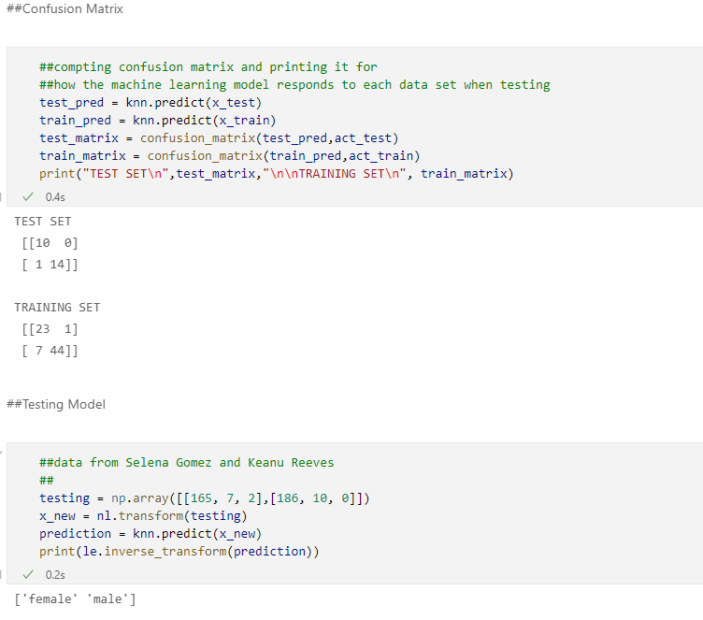
50 | 0.88 | 0.81333333333 | 0.83 | 0.88 | 0.8 | 0.82
51 | 0.88 | 0.8 | 0.82 | 0.92 | 0.82666666667 | 0.85
52 | 0.88 | 0.81333333333 | 0.83 | 0.92 | 0.82666666667 | 0.85
53 | 0.88 | 0.81333333333 | 0.83 | 0.88 | 0.84 | 0.85
54 | 0.88 | 0.81333333333 | 0.83 | 0.92 | 0.84 | 0.86
55 | 0.88 | 0.81333333333 | 0.83 | 0.84 | 0.8 | 0.81
56 | 0.92 | 0.81333333333 | 0.84 | 0.84 | 0.81333333333 | 0.82
57 | 0.68 | 0.64 | 0.65 | 0.64 | 0.61333333333 | 0.62
58 | 0.68 | 0.62666666667 | 0.64 | 0.68 | 0.64 | 0.65
59 | 0.6 | 0.61333333333 | 0.61 | 0.6 | 0.61333333333 | 0.61
60 | 0.6 | 0.61333333333 | 0.61 | 0.6 | 0.61333333333 | 0.61
61 | 0.56 | 0.6 | 0.59 | 0.56 | 0.6 | 0.59
62 | 0.56 | 0.6 | 0.59 | 0.56 | 0.6 | 0.59
63 | 0.56 | 0.6 | 0.59 | 0.56 | 0.6 | 0.59
64 | 0.56 | 0.6 | 0.59 | 0.56 | 0.6 | 0.59
65 | 0.56 | 0.6 | 0.59 | 0.56 | 0.6 | 0.59
66 | 0.56 | 0.6 | 0.59 | 0.56 | 0.6 | 0.59
67 | 0.56 | 0.6 | 0.59 | 0.56 | 0.6 | 0.59
68 | 0.56 | 0.6 | 0.59 | 0.56 | 0.6 | 0.59
69 | 0.56 | 0.6 | 0.59 | 0.56 | 0.6 | 0.59
70 | 0.56 | 0.6 | 0.59 | 0.56 | 0.6 | 0.59
71 | 0.56 | 0.6 | 0.59 | 0.56 | 0.6 | 0.59
72 | 0.56 | 0.6 | 0.59 | 0.56 | 0.6 | 0.59
73 | 0.56 | 0.6 | 0.59 | 0.56 | 0.6 | 0.59
74 | 0.56 | 0.6 | 0.59 | 0.56 | 0.6 | 0.59
75 | 0.56 | 0.6 | 0.59 | 0.56 | 0.6 | 0.59

