Data_LacIIPTGbindkinetics_Xu200
0.0041139240506 | 0.95764705882
0.009335443038 | 0.90588235294
0.013607594937 | 0.80470588235
0.019303797468 | 0.77882352941
0.024525316456 | 0.76235294118
0.028797468354 | 0.62352941176
0.034018987342 | 0.60470588235
0.038765822785 | 0.56
0.043987341772 | 0.53411764706
0.048734177215 | 0.55529411765
0.053955696203 | 0.47529411765
0.057753164557 | 0.45882352941
0.063449367089 | 0.43058823529
0.068196202532 | 0.39294117647
0.074367088608 | 0.39058823529
0.079113924051 | 0.35058823529
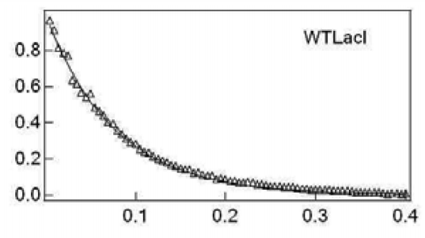
0.084810126582 | 0.32941176471
0.089082278481 | 0.30823529412
0.092879746835 | 0.29176470588
0.099050632911 | 0.28235294118
0.10332278481 | 0.24941176471
0.10901898734 | 0.23529411765
0.11424050633 | 0.23058823529
0.11756329114 | 0.20470588235
0.12373417722 | 0.19294117647
0.12990506329 | 0.19294117647
0.1332278481 | 0.17882352941
0.13987341772 | 0.16
0.14556962025 | 0.15294117647
0.1503164557 | 0.14352941176
0.15553797468 | 0.13882352941
0.15886075949 | 0.13882352941
0.16313291139 | 0.11764705882
0.16977848101 | 0.11764705882
0.17310126582 | 0.11058823529
0.17879746835 | 0.10117647059
0.18544303797 | 0.10117647059 | from Xu and Matthews (2009) Biochemistry, 48(22):4988-4998
0.18924050633 | 0.084705882353
0.19398734177 | 0.089411764706
0.19920886076 | 0.087058823529
0.20443037975 | 0.077647058824
0.20870253165 | 0.075294117647
0.21439873418 | 0.070588235294
0.21867088608 | 0.068235294118
0.22436708861 | 0.065882352941
0.22958860759 | 0.063529411765
0.23528481013 | 0.056470588235
0.23908227848 | 0.054117647059
0.24335443038 | 0.051764705882
0.24952531646 | 0.049411764706
0.2542721519 | 0.047058823529
0.25901898734 | 0.044705882353
0.26518987342 | 0.042352941176
0.26993670886 | 0.04
0.27515822785 | 0.037647058824
0.28037974684 | 0.035294117647
0.28512658228 | 0.032941176471
0.28987341772 | 0.032941176471
0.29462025316 | 0.028235294118
0.3003164557 | 0.025882352941
0.30458860759 | 0.025882352941
0.31075949367 | 0.025882352941
0.31503164557 | 0.023529411765
0.31977848101 | 0.021176470588
0.325 | 0.021176470588
0.32974683544 | 0.018823529412
0.33496835443 | 0.018823529412
0.34066455696 | 0.011764705882
0.34683544304 | 0.0094117647059
0.35110759494 | 0.0070588235294
0.35680379747 | 0.0070588235294
0.36155063291 | 0.0070588235294
0.36629746835 | 0.0070588235294
0.36962025316 | 0.0047058823529
0.37579113924 | 0.0023529411765
0.37958860759 | -0.0023529411765
0.38575949367 | 0
0.39193037975 | 0.0047058823529
0.3957278481 | 0
0.40142405063 | 0

