Sheet1
IPTG (M) | IPTG (uM) | Relative level of LacI
3.45E-08 | 3.45E-02 | 0.97175141243
4.31E-08 | 4.31E-02 | 0.97175141243
5.55E-08 | 5.55E-02 | 0.96610169492
7.14E-08 | 7.14E-02 | 0.95762711864
9.07E-08 | 9.07E-02 | 0.94632768362
1.18E-07 | 1.18E-01 | 0.93220338983
1.50E-07 | 1.50E-01 | 0.91242937853
1.85E-07 | 1.85E-01 | 0.89265536723
2.22E-07 | 2.22E-01 | 0.87288135593
2.67E-07 | 2.67E-01 | 0.85310734463
3.15E-07 | 3.15E-01 | 0.82485875706
3.68E-07 | 3.68E-01 | 0.80225988701
4.23E-07 | 4.23E-01 | 0.77966101695
4.87E-07 | 4.87E-01 | 0.75423728814
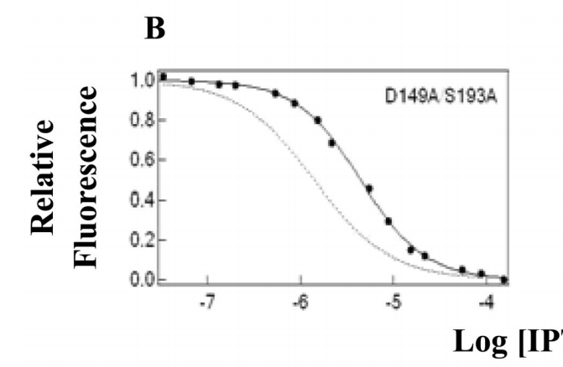
5.60E-07 | 5.60E-01 | 0.72881355932
6.18E-07 | 6.18E-01 | 0.69774011299
7.01E-07 | 7.01E-01 | 0.67231638418
7.95E-07 | 7.95E-01 | 0.64124293785
9.15E-07 | 9.15E-01 | 0.61299435028
1.0380712915E-06 | 1.04E+00 | 0.57344632768
1.2110562079E-06 | 1.21E+00 | 0.53672316384
1.4128674501E-06 | 1.41E+00 | 0.50564971751
1.6027587413E-06 | 1.60E+00 | 0.46610169492
1.7928736968E-06 | 1.79E+00 | 0.42937853107
2.0055395799E-06 | 2.01E+00 | 0.39830508475
2.3071889567E-06 | 2.31E+00 | 0.3615819209
2.65420884E-06 | 2.65E+00 | 0.33333333333
3.0109380885E-06 | 3.01E+00 | 0.30225988701
3.5126828894E-06 | 3.51E+00 | 0.27118644068
4.0980387901E-06 | 4.10E+00 | 0.24293785311
4.8483992713E-06 | 4.85E+00 | 0.20903954802
5.8170913294E-06 | 5.82E+00 | 0.18079096045
7.0778047859E-06 | 7.08E+00 | 0.15536723164 | from Xu and Matthews (2009) Biochemistry, 48(22):4988-4998
8.4919237356E-06 | 8.49E+00 | 0.13276836158
1.0188578367E-05 | 1.02E+01 | 0.11016949153
1.2571626818E-05 | 1.26E+01 | 0.090395480226
1.5083390881E-05 | 1.51E+01 | 0.070621468927
1.8873918221E-05 | 1.89E+01 | 0.059322033898
2.2964382223E-05 | 2.30E+01 | 0.04802259887
2.7941355087E-05 | 2.79E+01 | 0.039548022599
3.5956791606E-05 | 3.60E+01 | 0.028248587571
4.436687331E-05 | 4.44E+01 | 0.025423728814
5.8716840357E-05 | 5.87E+01 | 0.019774011299
7.7708143132E-05 | 7.77E+01 | 0.014124293785
9.8608603263E-05 | 9.86E+01 | 0.011299435028

